Sheet1
m/z | z | RT | Obs Mass | FC Slope with respect to 12ca5 | FC Slope with respect to BeadsOnly | Slope of Prot of Interest vs All Others | Slope Plot
384.72819597 | 4 | 718.20140588 | 1534.8835839 | 208289318.62 | -0.84776772933 | 2.0828931862E+12 | 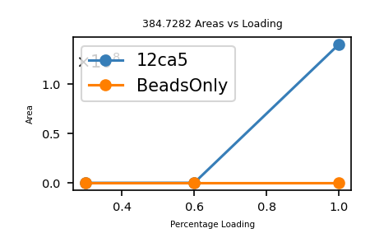
510.53033215 | 2 | 1899.3656756 | 1019.0460643 | 145539454.7 | -2.1551143402 | 1.455394547E+12 | 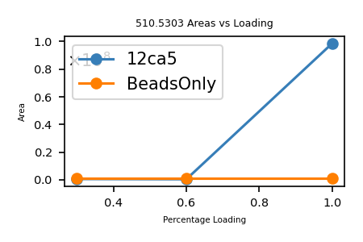
782.12227148 | 2 | 4857.5282996 | 1562.229943 | 131569527.35 | -8.6981704713 | 1.3156952735E+12 | 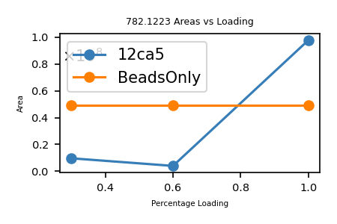
510.27804401 | 4 | 1984.6614925 | 2037.082976 | 126926365.24 | -4.6187869482 | 1.2692636524E+12 | 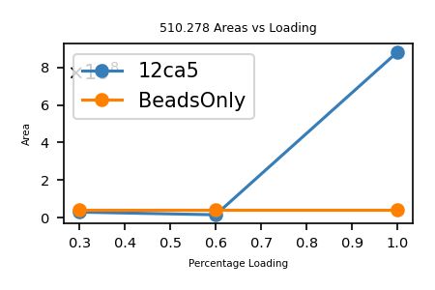
510.27953233 | 2 | 1871.2600732 | 1018.5444647 | 126803595.38 | -0.96369488523 | 1.2680359538E+12 | 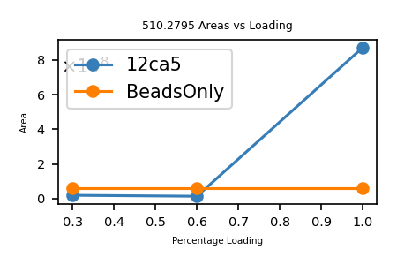
534.62597489 | 3 | 2734.5073433 | 1600.8560247 | 102363138.49 | -2.3317420151 | 1.0236313849E+12 | 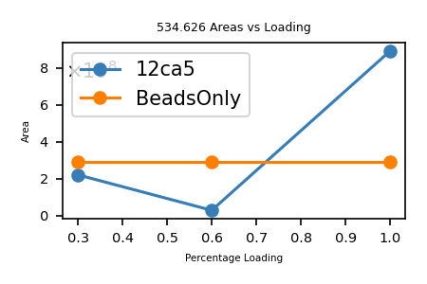
433.73698895 | 4 | 2416.5941831 | 1730.9187558 | 100410536.53 | -3.387301208 | 1.0041053653E+12 | 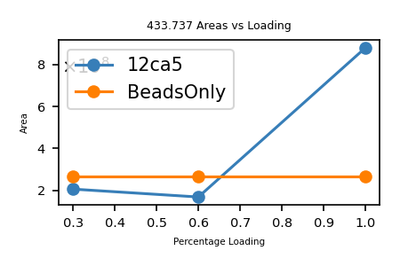
406.47079176 | 2 | 2530.777669 | 810.92698353 | 93275728.398 | -2.6511865798 | 9.3275728398E+11 | 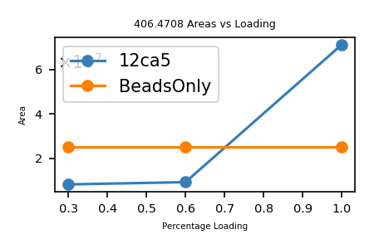
465.75427822 | 2 | 729.47059487 | 929.49395644 | 92671459.939 | -0.56930658614 | 9.2671459939E+11 | 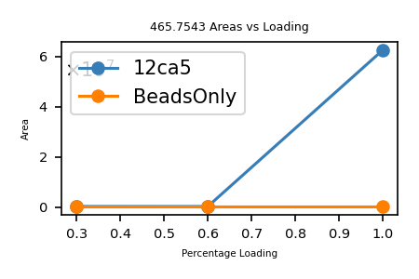
465.7543733 | 2 | 753.72782001 | 929.4941466 | 92427561.058 | -0.69347386719 | 9.2427561058E+11 | 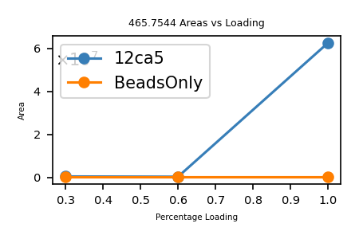
431.73438039 | 2 | 2362.0858056 | 861.45416077 | 92074428.713 | -4.8673488806 | 9.2074428713E+11 | 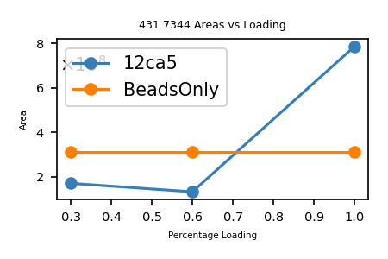
414.47778421 | 4 | 2175.5096432 | 1653.8819369 | 90209133.356 | -0.71779174421 | 9.0209133356E+11 | 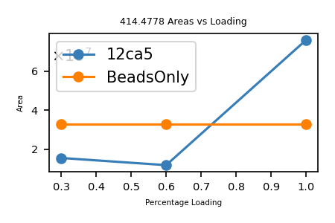
424.97438245 | 4 | 2311.8081555 | 1695.8683298 | 90134761.65 | -1.6681493413 | 9.013476165E+11 | 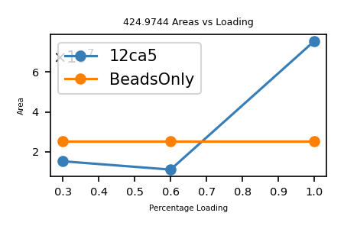
413.46701797 | 4 | 2343.2585722 | 1649.8388719 | 89487630.399 | -4.5352031905 | 8.9487630399E+11 | 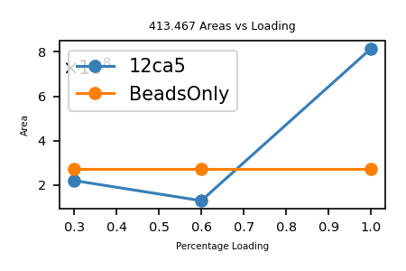
551.29252844 | 3 | 2942.1596956 | 1650.8556853 | 88704799.814 | -1.839631794 | 8.8704799814E+11 | 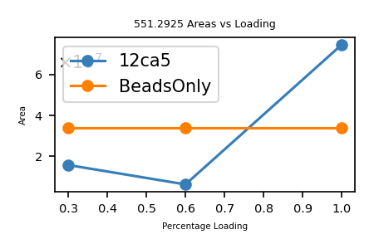
407.47614018 | 4 | 2400.5538868 | 1625.8753607 | 88698695.608 | -7.833697236 | 8.8698695608E+11 | 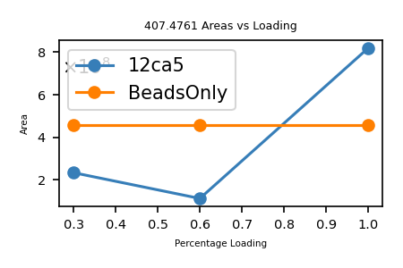
466.0051138 | 4 | 753.0334281 | 1859.9912552 | 88319612.003 | -0.28264974294 | 8.8319612003E+11 | 
418.23010673 | 2 | 2404.319532 | 834.44561345 | 87789760.352 | -4.9715658319 | 8.7789760352E+11 | 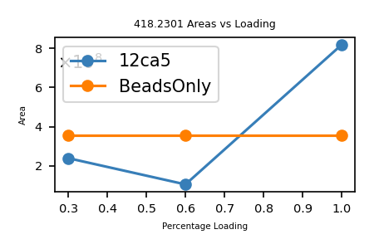
414.73545751 | 4 | 2353.3928515 | 1654.91263 | 87527667.049 | -5.1078725639 | 8.7527667049E+11 | 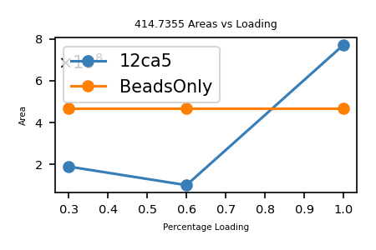
410.71826952 | 4 | 2163.7778768 | 1638.8438781 | 85938981.143 | -2.4936119174 | 8.5938981143E+11 | 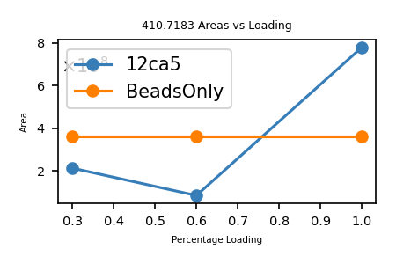
537.62181865 | 3 | 2862.2377278 | 1609.8435559 | 85824513.2 | -3.0769094819 | 8.58245132E+11 | 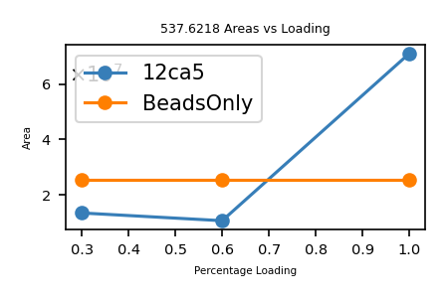
423.72272035 | 2 | 2349.0098201 | 845.43084069 | 85036554.105 | -8.5846305161 | 8.5036554105E+11 | 
420.22891647 | 4 | 2414.201949 | 1676.8864659 | 84032295.98 | -5.2431661886 | 8.403229598E+11 | 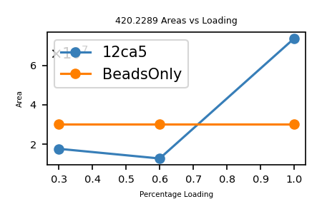
539.2842705 | 3 | 2759.1769433 | 1614.8309115 | 83812246.252 | -3.453484813 | 8.3812246252E+11 | 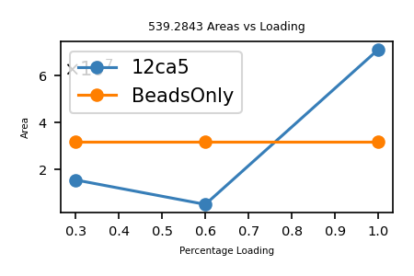
415.22849017 | 2 | 2601.7246229 | 828.44238034 | 83208567.675 | -2.0772827763 | 8.3208567675E+11 | 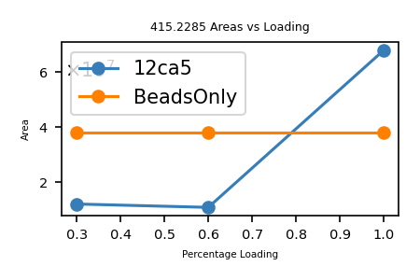
431.98527879 | 4 | 2305.9779476 | 1723.9119152 | 82878502.363 | -6.550594741 | 8.2878502363E+11 | 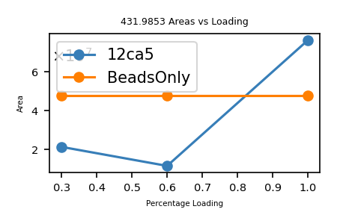
402.9706544 | 2 | 2259.0455664 | 803.92670881 | 82767852.759 | -0.42356622028 | 8.2767852759E+11 | 
438.98792683 | 4 | 2347.9817831 | 1751.9225073 | 82269095.852 | -3.7567184471 | 8.2269095852E+11 | 
438.98604038 | 2 | 2755.0522558 | 875.95748076 | 81779649.964 | -4.8546813167 | 8.1779649964E+11 | 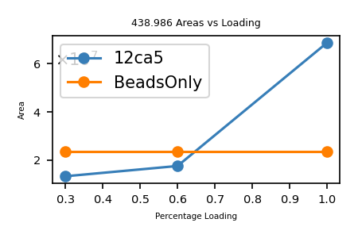
547.95869855 | 3 | 2985.1797829 | 1640.8541956 | 81163563.765 | -4.9592015557 | 8.1163563765E+11 | 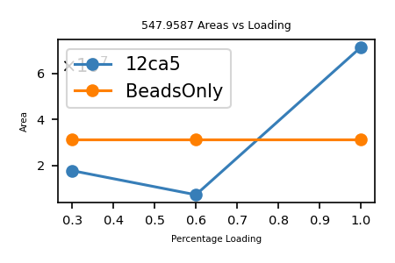
531.27370719 | 3 | 2808.6989997 | 1590.7992216 | 78584734 | -0.45747157868 | 7.8584734E+11 | 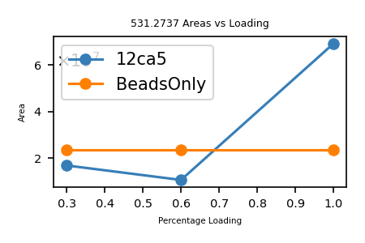
811.68467828 | 2 | 4632.8693465 | 1621.3547566 | 78534848.562 | -5.5571265788 | 7.8534848562E+11 | 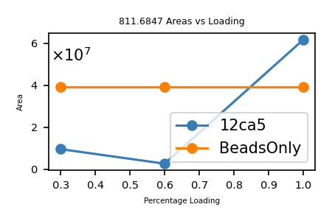
560.96145931 | 3 | 2867.0089067 | 1679.8624779 | 77682910.931 | -1.7277282544 | 7.7682910931E+11 | 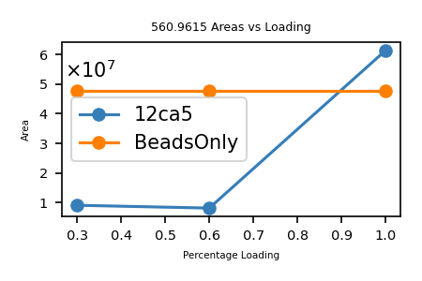
533.29388971 | 3 | 2890.2265517 | 1596.8597691 | 77598344.252 | -2.661927053 | 7.7598344252E+11 | 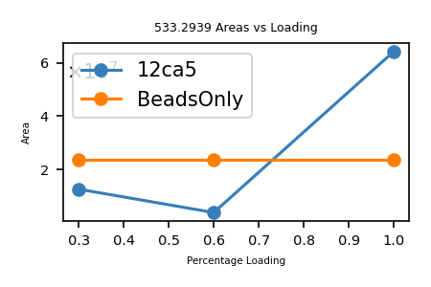
416.72326285 | 4 | 2281.9523373 | 1662.8638514 | 77596319.51 | -5.3953202859 | 7.759631951E+11 | 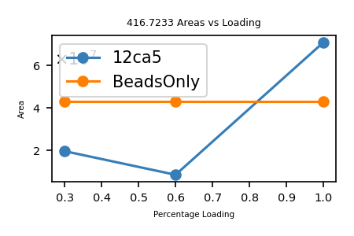
444.2299441 | 2 | 2354.0307982 | 886.4452882 | 77555100.411 | -2.1618829468 | 7.7555100411E+11 | 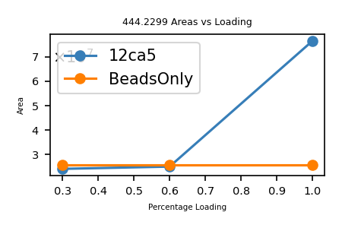
420.72917269 | 4 | 2003.3553161 | 1678.8874908 | 76510544.42 | -0.56721323626 | 7.651054442E+11 | 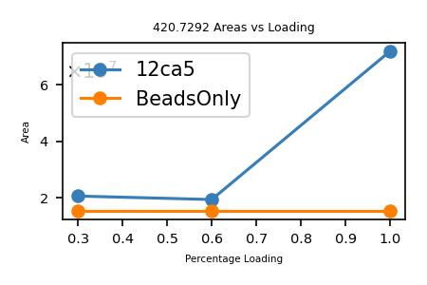
545.95509413 | 3 | 2991.3931421 | 1634.8433824 | 76405993.275 | -2.241175736 | 7.6405993275E+11 | 
422.96894361 | 2 | 2346.4411723 | 843.92328721 | 76051418.834 | -1.1524778462 | 7.6051418834E+11 | 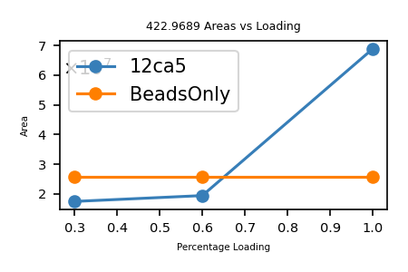
421.23768258 | 4 | 2515.2319861 | 1680.9215303 | 75196578.083 | -3.2199343182 | 7.5196578083E+11 | 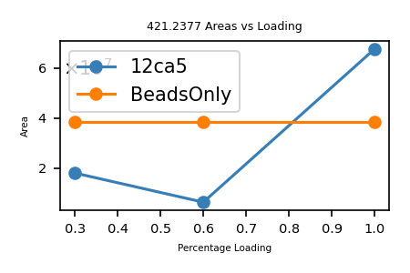
509.27191132 | 3 | 2573.9579052 | 1524.793834 | 74926613.868 | -0.32072713747 | 7.4926613868E+11 | 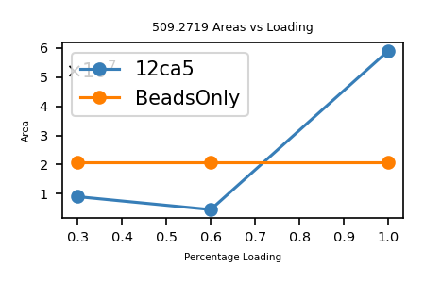
530.29658513 | 3 | 2910.3272963 | 1587.8678554 | 74664155.851 | -4.2915642123 | 7.4664155851E+11 | 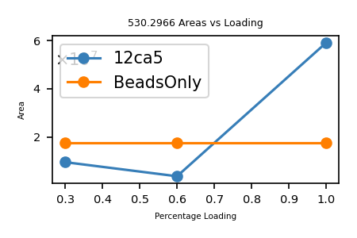
413.9665117 | 2 | 2528.5207869 | 825.91842339 | 74280922.983 | -5.4893954264 | 7.4280922983E+11 | 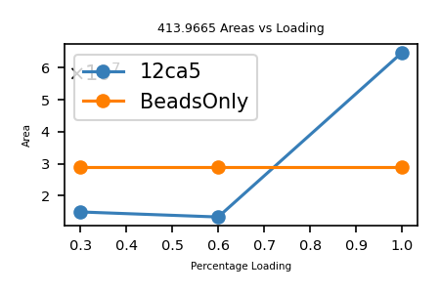
559.95314378 | 3 | 2790.5883687 | 1676.8375313 | 73971309.184 | -4.9919080833 | 7.3971309184E+11 | 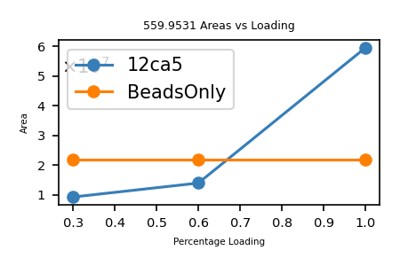
560.63269327 | 3 | 2911.5599228 | 1678.8761798 | 73840915.431 | -9.2983804126 | 7.3840915431E+11 | 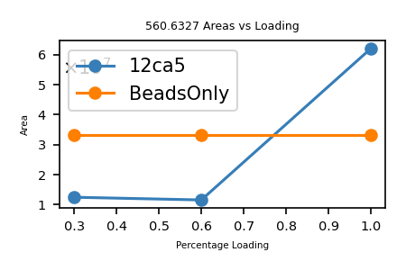
409.47665947 | 2 | 2429.1219648 | 816.93871894 | 73727624.525 | -4.2189572166 | 7.3727624525E+11 | 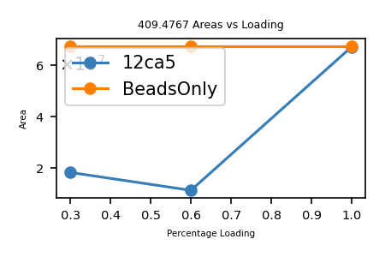
416.47520629 | 4 | 2526.2495477 | 1661.8716252 | 73581231.317 | -3.5786473768 | 7.3581231317E+11 | 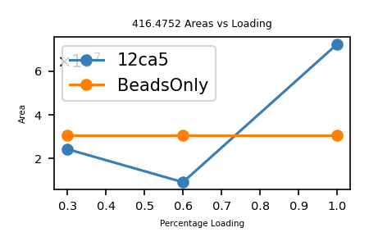
443.98724825 | 4 | 2311.7972431 | 1771.919793 | 73536830.643 | -0.87304026263 | 7.3536830643E+11 | 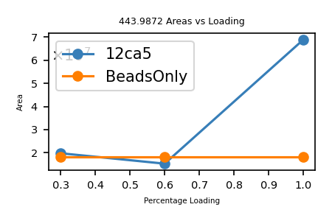
426.99085234 | 4 | 2395.2841984 | 1703.9342094 | 72834061.756 | -1.3844259701 | 7.2834061756E+11 | 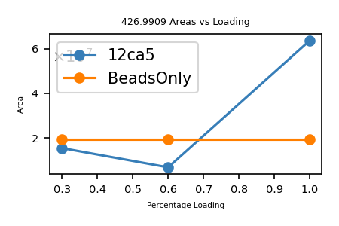
528.27608619 | 3 | 2953.7603405 | 1581.8063586 | 72620715.388 | -6.2916083745 | 7.2620715388E+11 | 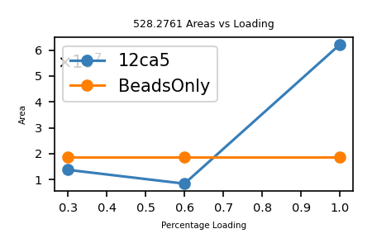
405.2355927 | 4 | 2537.6560709 | 1616.9131708 | 72156689.101 | -0.17853493262 | 7.2156689101E+11 | 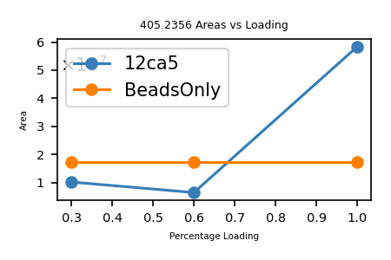
540.28977235 | 3 | 3091.9622187 | 1617.8474171 | 71662971.108 | -1.6034721425 | 7.1662971108E+11 | 
532.28936313 | 3 | 3076.2840176 | 1593.8461894 | 71461438.27 | -3.6478970021 | 7.146143827E+11 | 
435.22788454 | 4 | 2197.9872853 | 1736.8823382 | 71343828.92 | -4.5573490239 | 7.134382892E+11 | 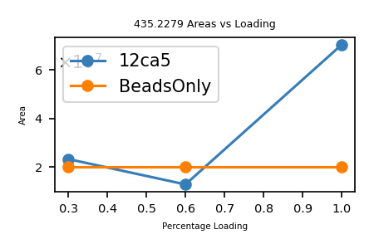
553.29002656 | 3 | 2919.0977185 | 1656.8481797 | 71189521.903 | -0.35156027369 | 7.1189521903E+11 | 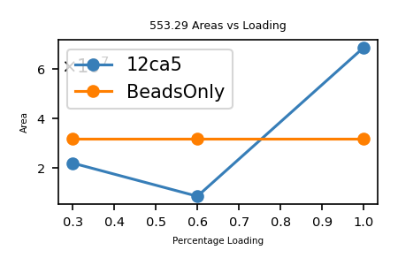
401.22215738 | 4 | 2426.9152203 | 1600.8594295 | 71153605.787 | -2.5840675814 | 7.1153605787E+11 | 
426.99146571 | 2 | 2322.1454496 | 851.96833141 | 71105942.674 | -3.5249270928 | 7.1105942674E+11 | 
433.73864707 | 2 | 2365.8618942 | 865.46269415 | 70590496.835 | -2.5986843373 | 7.0590496835E+11 | 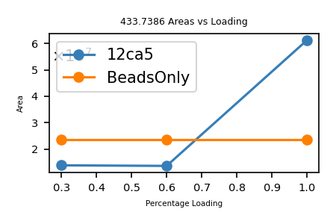
414.46672382 | 4 | 2336.7866449 | 1653.8376953 | 70377130.371 | -0.63703984338 | 7.0377130371E+11 | 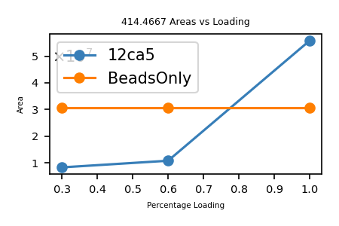
536.28906271 | 3 | 3031.2736509 | 1605.8452881 | 70369965.498 | -4.0949812037 | 7.0369965498E+11 | 
536.61330866 | 3 | 2676.0846963 | 1606.818026 | 70249772.545 | -5.293130866 | 7.0249772545E+11 | 
409.22734 | 4 | 2359.9534637 | 1632.88016 | 70244994.015 | -3.7076240411 | 7.0244994015E+11 | 
551.62471301 | 3 | 2528.9800393 | 1651.852239 | 70097684.662 | -0.88551611592 | 7.0097684662E+11 | 
393.21261046 | 4 | 2208.7973011 | 1568.8212418 | 69832634.012 | -0.96415385081 | 6.9832634012E+11 | 
417.98194543 | 4 | 2251.3898977 | 1667.8985817 | 69584067.279 | -0.21337914397 | 6.9584067279E+11 | 
532.27696903 | 3 | 2677.9475115 | 1593.8090071 | 69274696.032 | -4.7105466359 | 6.9274696032E+11 | 
541.60871498 | 3 | 3227.7028428 | 1621.8042449 | 69254183.465 | -7.328229018 | 6.9254183465E+11 | 
559.29016722 | 3 | 2957.1444738 | 1674.8486017 | 68638048.69 | -6.3111209664 | 6.863804869E+11 | 
535.95377039 | 3 | 2900.7385475 | 1604.8394112 | 68476238.231 | -1.9968119899 | 6.8476238231E+11 | 
417.47607079 | 2 | 2314.5939766 | 832.93754157 | 68422069.987 | -5.4426560904 | 6.8422069987E+11 | 
423.73635885 | 4 | 2531.2714898 | 1690.9162354 | 68269182.162 | -4.946411217 | 6.8269182162E+11 | 
408.73561567 | 2 | 2442.9824676 | 815.45663134 | 68082205.114 | -0.92428998733 | 6.8082205114E+11 | 
518.28967793 | 3 | 3028.9142063 | 1551.8471338 | 68013659.722 | -4.7085906853 | 6.8013659722E+11 | 
431.98651033 | 4 | 2348.4779795 | 1723.9168413 | 67778180.289 | -6.1159661217 | 6.7778180289E+11 | 
430.98543398 | 2 | 2167.9071928 | 859.95626796 | 67387988.781 | -3.9565360261 | 6.7387988781E+11 | 
413.22033174 | 4 | 2125.5174145 | 1648.852127 | 67354093.619 | -3.7849378168 | 6.7354093619E+11 | 
437.73803319 | 2 | 2358.8059194 | 873.46146639 | 67316911.253 | -0.52750213346 | 6.7316911253E+11 | 
408.96978328 | 2 | 2300.3351266 | 815.92496656 | 67272179.314 | -8.0808071846 | 6.7272179314E+11 | 
423.22439997 | 4 | 2289.9568636 | 1688.8683999 | 66942929.734 | -13.388868224 | 6.6942929734E+11 | 
414.97874265 | 2 | 2457.5474684 | 827.9428853 | 66607284.793 | -3.4099421895 | 6.6607284793E+11 | 
414.97317965 | 4 | 1990.6845682 | 1655.8635186 | 66324560.497 | -4.4394448479 | 6.6324560497E+11 | 
437.24970682 | 4 | 2315.1831062 | 1744.9696273 | 66238333.295 | -1.7339053332 | 6.6238333295E+11 | 
414.47755034 | 2 | 2409.2433052 | 826.94050068 | 66055799.765 | -1.7215137603 | 6.6055799765E+11 | 
535.95309285 | 3 | 2749.2834606 | 1604.8373786 | 65626051.363 | -2.5104463578 | 6.5626051363E+11 | 
564.6188462 | 3 | 2665.1371602 | 1690.8346386 | 65285396.883 | -1.2847671886 | 6.5285396883E+11 | 
394.47586499 | 2 | 2384.7906403 | 786.93712998 | 65233805.956 | -2.4088439966 | 6.5233805956E+11 | 
412.22645016 | 4 | 2436.3674886 | 1644.8766007 | 65016963.32 | -2.3626352558 | 6.501696332E+11 | 
562.96482559 | 3 | 3045.2602309 | 1685.8725768 | 64901443.924 | -3.8498593125 | 6.4901443924E+11 | 
423.23826735 | 2 | 2566.4610257 | 844.46193471 | 64569534.856 | -1.0712238407 | 6.4569534856E+11 | 
538.28718426 | 3 | 3060.5274926 | 1611.8396528 | 64543293.872 | -1.4695278932 | 6.4543293872E+11 | 
434.9890347 | 4 | 2469.4602228 | 1735.9269388 | 64378040.163 | -3.3316883978 | 6.4378040163E+11 | 
402.97020664 | 2 | 2386.3379772 | 803.92581328 | 64217607.128 | -9.4266891391 | 6.4217607128E+11 | 
416.21834313 | 4 | 2157.0356043 | 1660.8441725 | 64059216.731 | -0.16399496413 | 6.4059216731E+11 | 
413.22448021 | 4 | 2820.9944466 | 1648.8687208 | 63945047.178 | -1.3399675935 | 6.3945047178E+11 | 
423.97506591 | 2 | 2604.1667051 | 845.93553181 | 63904906.245 | -7.0316108524 | 6.3904906245E+11 | 
423.22640995 | 2 | 2369.3027943 | 844.43821989 | 63712440.647 | -1.8427588992 | 6.3712440647E+11 | 
510.7796644 | 4 | 1978.2840651 | 2039.0894576 | 63693602.561 | -4.3663684525 | 6.3693602561E+11 | 
437.48200565 | 4 | 2404.4563451 | 1745.8988226 | 63635979.837 | -6.9497724713 | 6.3635979837E+11 | 
404.97798796 | 4 | 2437.3134516 | 1615.8827518 | 63526411.933 | -2.6694174446 | 6.3526411933E+11 | 
412.22327593 | 2 | 2419.8779327 | 822.43195187 | 62546301.64 | -3.3737043386 | 6.254630164E+11 | 
546.94999165 | 3 | 3133.7012736 | 1637.8280749 | 62348331.601 | -4.8963597361 | 6.2348331601E+11 | 
415.97691822 | 2 | 2539.9359972 | 829.93923644 | 62277214.78 | -0.94466511887 | 6.227721478E+11 | 
540.611085 | 3 | 2785.3664035 | 1618.811355 | 62227253.199 | -2.0714863399 | 6.2227253199E+11
403.98236806 | 4 | 2054.5007662 | 1611.9002722 | 62212236.614 | -6.2718098378 | 6.2212236614E+11
419.47858007 | 2 | 2651.9329258 | 836.94256015 | 61976500.308 | -6.4283413533 | 6.1976500308E+11
426.47632165 | 4 | 2118.209551 | 1701.8760866 | 61923393.433 | -2.254395634 | 6.1923393433E+11
425.96843055 | 4 | 2305.5302453 | 1699.8445222 | 61806701.55 | -6.394454316 | 6.180670155E+11
429.48847739 | 4 | 2323.2793194 | 1713.9247096 | 61686886.592 | -4.4678600807 | 6.1686886592E+11
550.63272489 | 3 | 2479.1732279 | 1648.8762747 | 61005316.067 | -11.157889912 | 6.1005316067E+11
438.22717342 | 4 | 2353.6171911 | 1748.8794937 | 60747973.636 | -3.2856678906 | 6.0747973636E+11
526.94039289 | 3 | 2875.9013958 | 1577.7992787 | 60685101.659 | -1.7279846942 | 6.0685101659E+11
428.73146985 | 4 | 2274.7097931 | 1710.8966794 | 60608012.205 | -2.7811257259 | 6.0608012205E+11
439.74359987 | 4 | 2450.1191996 | 1754.9451995 | 60405773.585 | -0.84102286711 | 6.0405773585E+11
550.62010423 | 3 | 2694.6084368 | 1648.8384127 | 60368618.34 | -3.561861557 | 6.036861834E+11
528.61091021 | 3 | 3021.6369702 | 1582.8108306 | 60334507.502 | -2.3983320654 | 6.0334507502E+11
417.742136 | 2 | 2781.1980428 | 833.46967199 | 60144031.187 | -3.6400015534 | 6.0144031187E+11
537.96384507 | 3 | 3271.4163815 | 1610.8696352 | 60134091.807 | -7.449034562 | 6.0134091807E+11
542.9570254 | 3 | 2485.2861006 | 1625.8491762 | 60048700.652 | -4.1129385959 | 6.0048700652E+11
544.62417717 | 3 | 3281.2807399 | 1630.8506315 | 59933859.272 | -14.830695152 | 5.9933859272E+11
415.97289121 | 2 | 2672.1527299 | 829.93118243 | 59930860.859 | -6.1390696819 | 5.9930860859E+11
528.94394559 | 3 | 3096.9560571 | 1583.8099368 | 59636796.262 | -9.5885333031 | 5.9636796262E+11
414.73866252 | 2 | 2465.854116 | 827.46272503 | 59406466.358 | -1.2233140713 | 5.9406466358E+11
432.9777682 | 2 | 2229.9455246 | 863.94093641 | 59370869.575 | -3.0155259719 | 5.9370869575E+11
421.46764246 | 2 | 2474.5633057 | 840.92068492 | 59368310.869 | -0.91890625263 | 5.9368310869E+11
417.73616754 | 4 | 2600.0741613 | 1666.9154702 | 59220544.409 | -3.5893975141 | 5.9220544409E+11
443.4818103 | 2 | 2267.5174298 | 884.9490206 | 59015114.537 | -4.485414235 | 5.9015114537E+11
419.23312565 | 4 | 2368.932539 | 1672.9033026 | 58823714.156 | -1.0476877284 | 5.8823714156E+11
414.9835748 | 2 | 2284.2336291 | 827.95254961 | 58497342.996 | -3.8719146487 | 5.8497342996E+11
417.98107522 | 2 | 1865.684987 | 833.94755043 | 58474704.181 | -3.9073533718 | 5.8474704181E+11
529.6216087 | 3 | 3155.3206064 | 1585.8429261 | 58293999.898 | -4.5387511313 | 5.8293999898E+11
410.48207901 | 4 | 2373.875248 | 1637.899116 | 58016283.52 | -7.8775178272 | 5.801628352E+11
426.97436867 | 2 | 2290.7568 | 851.93413733 | 58000418.916 | -4.5720722728 | 5.8000418916E+11
425.73564484 | 2 | 2126.9607575 | 849.45668969 | 57998299.473 | -4.7805374087 | 5.7998299473E+11
532.93901768 | 3 | 2352.4684862 | 1595.795153 | 57868274.514 | -1.4065468309 | 5.7868274514E+11
415.97082071 | 4 | 2521.2267313 | 1659.8540828 | 57631774.095 | -1.3250969142 | 5.7631774095E+11
423.98179768 | 4 | 2286.1544521 | 1691.8979907 | 57564429.043 | -4.9027390386 | 5.7564429043E+11
425.22681534 | 4 | 2441.917573 | 1696.8780614 | 57540786.358 | -1.5641807264 | 5.7540786358E+11
416.21927294 | 2 | 1859.3072596 | 830.42394588 | 57508151.274 | -3.3126563776 | 5.7508151274E+11
532.9604476 | 3 | 2846.1153741 | 1595.8594428 | 57460330.509 | -4.1955577679 | 5.7460330509E+11
434.73186457 | 4 | 2513.7644969 | 1734.8982583 | 57392029.528 | -0.45773040678 | 5.7392029528E+11
429.73512585 | 4 | 2394.250071 | 1714.9113034 | 57369513.135 | -3.9988492211 | 5.7369513135E+11
410.98232011 | 2 | 2614.0910744 | 819.95004023 | 57320630.628 | -4.3733046403 | 5.7320630628E+11
553.29985291 | 3 | 2810.7945467 | 1656.8776587 | 57278791.051 | -1.2143306202 | 5.7278791051E+11
418.22927381 | 2 | 1871.9562942 | 834.44394761 | 57214063.945 | -4.2443497981 | 5.7214063945E+11
394.72315967 | 4 | 2268.5296124 | 1574.8634387 | 57200657.929 | -0.48896564859 | 5.7200657929E+11
410.97325449 | 4 | 2567.1165403 | 1639.8638179 | 57027949.782 | -0.70984221461 | 5.7027949782E+11
424.9930776 | 4 | 2669.6101969 | 1695.9431104 | 57005381.812 | -0.98469368756 | 5.7005381812E+11
433.97076183 | 2 | 2762.4646731 | 865.92692366 | 56900982.381 | -3.4634478033 | 5.6900982381E+11
552.95937551 | 3 | 3238.6839352 | 1655.8562265 | 56826149.326 | -6.3892305559 | 5.6826149326E+11
421.97826249 | 2 | 2566.7023847 | 841.94192497 | 56780831.64 | -0.49840375001 | 5.678083164E+11
401.96784582 | 4 | 2417.2147605 | 1603.8421833 | 56718231.84 | -2.4507073835 | 5.671823184E+11
431.73716265 | 4 | 2488.5490555 | 1722.9194506 | 56716378.374 | -2.7939929367 | 5.6716378374E+11
404.97762982 | 2 | 2420.5617559 | 807.94065964 | 56577675.948 | -2.1168438426 | 5.6577675948E+11
415.96568529 | 4 | 2380.2089073 | 1659.8335411 | 56565860.024 | -6.9549444612 | 5.6565860024E+11
414.22137901 | 4 | 2247.0827607 | 1652.856316 | 56507362.832 | -8.8383312719 | 5.6507362832E+11
430.7402476 | 4 | 2742.7031137 | 1718.9317904 | 56385224.066 | -9.507929284 | 5.6385224066E+11
434.97272787 | 4 | 2570.851443 | 1735.8617115 | 56384268.911 | -6.7164772966 | 5.6384268911E+11
389.21189273 | 4 | 2193.4937314 | 1552.8183709 | 56251023.944 | -1.4054664601 | 5.6251023944E+11
427.47969899 | 4 | 1876.8160393 | 1705.889596 | 56216496.589 | -0.75152179302 | 5.6216496589E+11
417.48794937 | 4 | 2299.7095525 | 1665.9225975 | 56195131.07 | -0.47285355416 | 5.619513107E+11
399.72188618 | 4 | 2419.2983463 | 1594.8583447 | 56052671.145 | -0.4717092615 | 5.6052671145E+11
412.22217441 | 2 | 2801.2211901 | 822.42974882 | 55940627.36 | -2.0353341061 | 5.594062736E+11
432.47865881 | 2 | 2599.5613202 | 862.94271762 | 55840497.747 | -2.8775248553 | 5.5840497747E+11
513.28376134 | 3 | 3011.945227 | 1536.829384 | 55826656.788 | -5.3015106844 | 5.5826656788E+11
426.73972837 | 2 | 2263.277105 | 851.46485674 | 55808950.575 | -4.6281606752 | 5.5808950575E+11
437.73175813 | 2 | 2297.9905478 | 873.44891626 | 55685330.589 | -7.1049404093 | 5.5685330589E+11
440.23514031 | 2 | 2196.9070878 | 878.45568063 | 55649341.673 | -6.4635276615 | 5.5649341673E+11
417.2361977 | 2 | 2095.2423894 | 832.45779541 | 55548324.021 | -1.2647081426 | 5.5548324021E+11
508.94781298 | 3 | 3072.7190367 | 1523.8215389 | 55538443.017 | -4.6528363003 | 5.5538443017E+11
414.9823227 | 2 | 2095.0006 | 827.9500454 | 55536324.178 | -0.72601734954 | 5.5536324178E+11
439.98458525 | 2 | 2110.8784113 | 877.9545705 | 55519716.12 | -1.6467573637 | 5.551971612E+11
442.22901691 | 4 | 2437.1458145 | 1764.8868676 | 55437400.507 | -1.887920327 | 5.5437400507E+11
396.21596604 | 2 | 2403.0071449 | 790.41733208 | 55379789.656 | -3.1035643834 | 5.5379789656E+11
439.22382938 | 4 | 2274.705505 | 1752.8661175 | 55377614.522 | -3.3278756794 | 5.5377614522E+11
536.9580459 | 3 | 3132.6433438 | 1607.8522377 | 55332695.849 | -4.4494236735 | 5.5332695849E+11
404.7329311 | 4 | 2338.0634029 | 1614.9025244 | 55321524.385 | -8.0769298658 | 5.5321524385E+11
413.22556776 | 2 | 2347.0099237 | 824.43653552 | 55141818.699 | -4.0643685107 | 5.5141818699E+11
420.98624226 | 2 | 2491.3829906 | 839.95788451 | 55073942.054 | -5.6282593234 | 5.5073942054E+11
513.95063528 | 3 | 2941.4317779 | 1538.8300058 | 54790228.444 | -3.8581908177 | 5.4790228444E+11
422.74231181 | 2 | 2425.8726776 | 843.47002361 | 54777025.304 | -6.2358285105 | 5.4777025304E+11
429.22488842 | 4 | 2245.9605381 | 1712.8703537 | 54772038.247 | -10.543727438 | 5.4772038247E+11
410.24037843 | 4 | 2429.8434673 | 1636.9323137 | 54768935.662 | -8.0679516126 | 5.4768935662E+11
561.28235753 | 3 | 3019.4531757 | 1680.8251726 | 54735991.632 | -10.151719358 | 5.4735991632E+11
547.61379987 | 3 | 2828.3140542 | 1639.8194996 | 54702305.193 | -9.103569115 | 5.4702305193E+11
531.29722455 | 3 | 2908.258193 | 1590.8697737 | 54646372.042 | -0.085428599311 | 5.4646372042E+11
447.4915626 | 2 | 2359.1777246 | 892.96852519 | 54585616.58 | -0.4638184431 | 5.458561658E+11
432.23027462 | 2 | 2782.0258946 | 862.44594924 | 54578362.607 | -3.1559088295 | 5.4578362607E+11
401.97624791 | 4 | 2195.771206 | 1603.8757916 | 54528618.319 | -0.73223424492 | 5.4528618319E+11
533.27643018 | 3 | 2983.3412441 | 1596.8073905 | 54401070.704 | -10.900225484 | 5.4401070704E+11
442.73516521 | 2 | 2075.061712 | 883.45573041 | 54238460.456 | -6.5043306052 | 5.4238460456E+11
392.72153356 | 2 | 2280.3879738 | 783.42846712 | 54114984.791 | -3.5169955088 | 5.4114984791E+11
420.24240806 | 2 | 2271.0154289 | 838.47021612 | 54096409.043 | -1.5579859785 | 5.4096409043E+11
415.73617375 | 4 | 2379.5856759 | 1658.915495 | 54092799.026 | -11.476765832 | 5.4092799026E+11
549.28339162 | 3 | 2554.4644929 | 1644.8282749 | 54055561.84 | -2.5306627116 | 5.405556184E+11
404.46878823 | 2 | 1801.395911 | 806.92297646 | 54048213.953 | -0.93835597678 | 5.4048213953E+11
427.24631734 | 4 | 2332.7604183 | 1704.9560694 | 54011639.769 | -3.584426021 | 5.4011639769E+11
414.21693071 | 2 | 2584.7085545 | 826.41926142 | 53963807.253 | -6.0730554875 | 5.3963807253E+11
405.72185251 | 2 | 2604.9474961 | 809.42910501 | 53937235.358 | -8.6057649678 | 5.3937235358E+11
444.71998491 | 2 | 2333.403887 | 887.42536983 | 53918425.927 | -2.8313585668 | 5.3918425927E+11
533.94072932 | 3 | 3104.9165837 | 1598.800288 | 53905473.232 | -3.9422393503 | 5.3905473232E+11
415.97146619 | 2 | 2088.0392386 | 829.92833238 | 53894322.021 | -0.071742546997 | 5.3894322021E+11
428.73378465 | 2 | 2233.9581299 | 855.45296929 | 53836651.789 | -3.2027055864 | 5.3836651789E+11
426.23203541 | 2 | 2374.5506036 | 850.44947081 | 53833678.097 | -1.6530534576 | 5.3833678097E+11
407.22891006 | 4 | 2565.432203 | 1624.8864402 | 53681072.375 | -6.1117216278 | 5.3681072375E+11
412.21941139 | 4 | 2216.2906345 | 1644.8484456 | 53617371.382 | -2.1924437703 | 5.3617371382E+11
412.46224542 | 4 | 2516.2693018 | 1645.8197817 | 53591361.587 | -2.892601429 | 5.3591361587E+11
419.47883256 | 4 | 2716.9629608 | 1673.8861302 | 53536058.191 | -9.101379952 | 5.3536058191E+11
441.9833041 | 2 | 2957.0095787 | 881.95200819 | 53473533.834 | -5.5656169021 | 5.3473533834E+11
400.22437122 | 4 | 2467.5939318 | 1596.8682849 | 53468387.686 | -1.3412671378 | 5.3468387686E+11
542.61479017 | 3 | 3133.4509121 | 1624.8224705 | 53377371.484 | -5.5645419331 | 5.3377371484E+11
830.79032062 | 2 | 4888.8859775 | 1659.5660412 | 53372978.692 | -0.1194455304 | 5.3372978692E+11
407.72956684 | 4 | 2309.4734966 | 1626.8890674 | 53279708.15 | -5.1319314129 | 5.327970815E+11
534.28255602 | 3 | 2712.0721076 | 1599.8257681 | 53228837.361 | -2.8648456263 | 5.3228837361E+11
420.2252792 | 4 | 2550.1072766 | 1676.8719168 | 53183765.596 | -4.7288602189 | 5.3183765596E+11
401.22054259 | 2 | 2432.0685289 | 800.42648519 | 53088244.225 | -1.4133959616 | 5.3088244225E+11
410.71757607 | 2 | 2576.0592054 | 819.42055215 | 53068857.802 | -0.35285272448 | 5.3068857802E+11
527.93927315 | 3 | 2945.0538457 | 1580.7959194 | 53068831.812 | -0.51201115125 | 5.3068831812E+11
539.9401095 | 3 | 3026.065967 | 1616.7984285 | 53040479.464 | -2.2991469538 | 5.3040479464E+11
432.7315784 | 2 | 2262.1038388 | 863.4485568 | 53032631.106 | -6.6802698253 | 5.3032631106E+11
545.95097046 | 3 | 2874.5421721 | 1634.8310114 | 53020454.229 | -2.9277721262 | 5.3020454229E+11
410.96500589 | 2 | 2318.6856914 | 819.91541179 | 52890088.095 | -4.5228931033 | 5.2890088095E+11
428.4734319 | 4 | 2356.243212 | 1709.8645276 | 52833522.888 | -4.3249270102 | 5.2833522888E+11
427.72786502 | 4 | 2592.6553726 | 1706.8822601 | 52791028.206 | -6.5313393278 | 5.2791028206E+11
437.22904259 | 2 | 2288.1807077 | 872.44348519 | 52782061.95 | -7.253801841 | 5.278206195E+11
417.2263823 | 2 | 2457.8461841 | 832.4381646 | 52775642.335 | -1.1623797957 | 5.2775642335E+11
432.48595555 | 4 | 2311.5485853 | 1725.9146222 | 52763224.872 | -0.70862567672 | 5.2763224872E+11
427.97614931 | 4 | 2438.3796848 | 1707.8753972 | 52502371.771 | -6.2321680587 | 5.2502371771E+11
438.48639099 | 2 | 2678.1157007 | 874.95818197 | 52466053.057 | -6.4636913681 | 5.2466053057E+11
516.61724926 | 3 | 2986.2788665 | 1546.8298478 | 52291421.483 | -0.90378104733 | 5.2291421483E+11
405.4721455 | 4 | 2520.2003762 | 1617.859382 | 52130985.164 | -1.1646016442 | 5.2130985164E+11
425.49069716 | 4 | 2389.5254704 | 1697.9335887 | 52046721.118 | -0.59778326412 | 5.2046721118E+11
399.21732779 | 4 | 2138.7350333 | 1592.8401112 | 52046192.777 | -0.12065610897 | 5.2046192777E+11
417.73464031 | 4 | 2417.1979204 | 1666.9093612 | 51988439.433 | -1.9822585593 | 5.1988439433E+11
420.97836132 | 4 | 2710.2550286 | 1679.8842453 | 51951130.225 | -0.82396662775 | 5.1951130225E+11
526.2832999 | 3 | 2355.8112988 | 1575.8279997 | 51935152.614 | -3.0610678921 | 5.1935152614E+11
403.46147199 | 2 | 2335.8271305 | 804.90834397 | 51858481.731 | -1.749067384 | 5.1858481731E+11
550.29943117 | 3 | 2712.6826197 | 1647.8763935 | 51833588.282 | -3.6601164247 | 5.1833588282E+11
399.96656095 | 2 | 2288.4770073 | 797.91852191 | 51812265.266 | -3.6716304698 | 5.1812265266E+11
416.48791495 | 4 | 2435.9684654 | 1661.9224598 | 51783281.152 | -2.6423478024 | 5.1783281152E+11
465.24553523 | 2 | 3383.6859252 | 928.47647047 | 51734472.021 | -1.1375510114 | 5.1734472021E+11
416.46968297 | 2 | 2079.5928562 | 830.92476594 | 51644502.327 | -0.095346324255 | 5.1644502327E+11
439.48067789 | 2 | 2575.8513929 | 876.94675578 | 51530722.474 | -10.704132854 | 5.1530722474E+11
415.46909222 | 2 | 2592.4043795 | 828.92358444 | 51524799.642 | -1.5365339409 | 5.1524799642E+11
542.2971011 | 3 | 2434.6735027 | 1623.8694033 | 51489524.907 | -0.56875435745 | 5.1489524907E+11
405.72028676 | 2 | 2055.3694885 | 809.42597353 | 51445816.272 | -2.3210694913 | 5.1445816272E+11
409.98002318 | 2 | 1952.1899139 | 817.94544636 | 51441694.437 | -0.8215729437 | 5.1441694437E+11
554.62169692 | 3 | 2839.9081325 | 1660.8431908 | 51406570.225 | -4.336983393 | 5.1406570225E+11
444.48189187 | 2 | 2033.6510623 | 886.94918374 | 51382356.97 | -7.4132560293 | 5.138235697E+11
431.24016215 | 2 | 2127.6499134 | 860.46572431 | 51223020.793 | -0.050159176314 | 5.1223020793E+11
393.9668768 | 2 | 2306.8332646 | 785.9191536 | 51207722.539 | -6.253320219 | 5.1207722539E+11
429.99489285 | 2 | 2247.3952582 | 857.97518571 | 50937367.429 | -3.6516897068 | 5.0937367429E+11
445.23111482 | 2 | 2955.3982807 | 888.44762964 | 50882201.132 | -7.8474960869 | 5.0882201132E+11
560.95546374 | 3 | 2670.9862962 | 1679.8444912 | 50843042.272 | -2.2414350727 | 5.0843042272E+11
391.22329713 | 2 | 2332.0269361 | 780.43199426 | 50824162.038 | -0.13393306325 | 5.0824162038E+11
427.98432274 | 2 | 1944.6036186 | 853.95404547 | 50806461.528 | -4.295253806 | 5.0806461528E+11
437.484144 | 4 | 2323.1129787 | 1745.907376 | 50781981.433 | -11.410399945 | 5.0781981433E+11
411.9696226 | 2 | 2293.7708417 | 821.92464519 | 50781851.826 | -2.0957079125 | 5.0781851826E+11
407.24004447 | 4 | 2513.6344994 | 1624.9309779 | 50719995.859 | -2.652460196 | 5.0719995859E+11
399.4717348 | 4 | 2488.7995862 | 1593.8577392 | 50696014.544 | -7.0645619141 | 5.0696014544E+11
433.47599648 | 4 | 2312.1144841 | 1729.8747859 | 50670277.605 | -9.2937696308 | 5.0670277605E+11
426.73742261 | 4 | 2268.114598 | 1702.9204904 | 50535439.727 | -2.2080912539 | 5.0535439727E+11
432.23706729 | 4 | 2306.2881452 | 1724.9190692 | 50531533.503 | -5.1012437182 | 5.0531533503E+11
416.71352212 | 2 | 2607.9664242 | 831.41244425 | 50515997.372 | -1.5132033321 | 5.0515997372E+11
418.71127905 | 2 | 2390.7986369 | 835.4079581 | 50510571.586 | -1.9445624979 | 5.0510571586E+11
401.72204374 | 2 | 2037.2338686 | 801.42948748 | 50488582.062 | -2.9861809403 | 5.0488582062E+11
410.21283453 | 2 | 2287.7395964 | 818.41106905 | 50356084.192 | -0.13119884361 | 5.0356084192E+11
522.94359158 | 3 | 2723.6422311 | 1565.8088747 | 50252362.225 | -7.4815190445 | 5.0252362225E+11
429.98232904 | 2 | 2200.0031096 | 857.95005809 | 50240494.813 | -1.7433466146 | 5.0240494813E+11
431.22903241 | 2 | 2770.858539 | 860.44346481 | 50228073.751 | -3.6153811698 | 5.0228073751E+11
537.27757557 | 3 | 2901.0270606 | 1608.8108267 | 50215538.424 | -2.4948238205 | 5.0215538424E+11
428.98392563 | 2 | 2441.2267708 | 855.95325125 | 50038610.404 | -4.587318377 | 5.0038610404E+11
432.73319772 | 4 | 2372.8820578 | 1726.9035909 | 49849954.282 | -0.5632151101 | 4.9849954282E+11
415.7211255 | 4 | 2679.5123542 | 1658.855302 | 49740732.029 | -7.0317648406 | 4.9740732029E+11
430.23030856 | 4 | 2200.2888547 | 1716.8920342 | 49638824.862 | -1.30795971 | 4.9638824862E+11
424.72576587 | 2 | 2308.8326243 | 847.43693175 | 49633951.361 | -13.579203818 | 4.9633951361E+11
397.72002798 | 2 | 2053.0395993 | 793.42545597 | 49572576.364 | -1.531221943 | 4.9572576364E+11
549.29432441 | 3 | 3280.0752164 | 1644.8610732 | 49511876.253 | -1.1779605073 | 4.9511876253E+11
408.4772813 | 2 | 2028.9398498 | 814.93996259 | 49423967.497 | -1.3919382716 | 4.9423967497E+11
547.28548063 | 3 | 2661.1402378 | 1638.8345419 | 49361676.236 | -0.4806574247 | 4.9361676236E+11
677.95338496 | 2 | 4702.2675602 | 1353.8921699 | 49230467.151 | -4.699770381 | 4.9230467151E+11
414.47107764 | 4 | 2678.3072623 | 1653.8551106 | 49203558.48 | -5.0267256631 | 4.920355848E+11
415.48156661 | 4 | 2174.8192186 | 1657.8970664 | 49172639.226 | -5.0561257962 | 4.9172639226E+11
446.97301706 | 2 | 2473.3459916 | 891.93143412 | 49092130.643 | -0.61503956066 | 4.9092130643E+11
535.61980333 | 3 | 3041.1570495 | 1603.83751 | 49075672.968 | -0.2530158014 | 4.9075672968E+11
432.98113608 | 4 | 2033.2049648 | 1727.8953443 | 49072257.15 | -8.000142387 | 4.907225715E+11
522.95563667 | 3 | 3060.2652976 | 1565.84501 | 48959624.05 | -10.067358943 | 4.895962405E+11
418.98152537 | 2 | 2772.4502781 | 835.94845075 | 48958149.711 | -1.9109412253 | 4.8958149711E+11
569.96904145 | 3 | 3014.6721773 | 1706.8852243 | 48938841.631 | -4.94489344 | 4.8938841631E+11
534.95560856 | 3 | 2521.2413651 | 1601.8449257 | 48888199.517 | -11.265521962 | 4.8888199517E+11
415.73206533 | 2 | 2225.3583675 | 829.44953065 | 48814047.068 | -2.4099675094 | 4.8814047068E+11
406.98052684 | 4 | 2678.3652334 | 1623.8929073 | 48704941.658 | -4.5092342425 | 4.8704941658E+11
395.96277748 | 2 | 2337.4912583 | 789.91095496 | 48668125.31 | -10.24773656 | 4.866812531E+11
445.23346823 | 2 | 2767.6526541 | 888.45233646 | 48644333.754 | -10.608431262 | 4.8644333754E+11
425.97547563 | 4 | 2115.0993071 | 1699.8727025 | 48598636.38 | -2.3136616132 | 4.859863638E+11
412.4653083 | 2 | 2521.432512 | 822.9160166 | 48521857.665 | -5.8391750223 | 4.8521857665E+11
574.972889 | 3 | 2727.6008405 | 1721.896767 | 48480884.664 | -1.0814990229 | 4.8480884664E+11
417.96998033 | 4 | 2343.0639136 | 1667.8507213 | 48416131.9 | -4.450046831 | 4.84161319E+11
423.98674677 | 2 | 1867.6144724 | 845.95889354 | 48356643.353 | -4.8100309374 | 4.8356643353E+11
542.63719547 | 3 | 3391.9166255 | 1624.8896864 | 48346068.511 | -8.9858071684 | 4.8346068511E+11
518.27153923 | 3 | 2895.8026492 | 1551.7927177 | 48342776.095 | -12.321991139 | 4.8342776095E+11
561.29241926 | 3 | 3539.6643099 | 1680.8553578 | 48282427.595 | -3.832177853 | 4.8282427595E+11
544.96708893 | 3 | 2763.055967 | 1631.8793668 | 48259238.066 | -8.138557972 | 4.8259238066E+11
420.47965544 | 4 | 2641.7992782 | 1677.8894218 | 48238061.707 | -0.65473973566 | 4.8238061707E+11
406.47546511 | 2 | 2477.288558 | 810.93633022 | 48206194.945 | -4.5167105113 | 4.8206194945E+11
428.49441981 | 4 | 2063.2454919 | 1709.9484792 | 48181025.588 | -1.8474898087 | 4.8181025588E+11
523.2790687 | 3 | 3089.7348129 | 1566.8153061 | 48108612.35 | -3.7237183082 | 4.810861235E+11
403.22402709 | 2 | 2053.0396559 | 804.43345419 | 48087356.638 | -4.1972830336 | 4.8087356638E+11
519.94457038 | 3 | 3036.1881018 | 1556.8118111 | 48065930.677 | -2.884416898 | 4.8065930677E+11
402.72036235 | 4 | 2422.6435703 | 1606.8522494 | 48027848.228 | -2.8326768601 | 4.8027848228E+11
426.96337683 | 2 | 2463.6949036 | 851.91215366 | 47980439.202 | -3.9846752063 | 4.7980439202E+11
415.46687954 | 4 | 2365.2206561 | 1657.8383182 | 47947185.302 | -3.3160114755 | 4.7947185302E+11
420.97301754 | 4 | 2395.6213049 | 1679.8628702 | 47911396.635 | -2.1582243053 | 4.7911396635E+11
405.22968326 | 4 | 2531.2696521 | 1616.889533 | 47829226.427 | -0.56154594196 | 4.7829226427E+11
431.22564027 | 2 | 2100.2874088 | 860.43668053 | 47768856.73 | -4.6444888667 | 4.776885673E+11
421.99165793 | 2 | 2384.3110406 | 841.96871587 | 47764612.672 | -2.0551134907 | 4.7764612672E+11
414.98509284 | 2 | 1896.1245968 | 827.95558567 | 47685701.092 | -4.8855555474 | 4.7685701092E+11
553.97533171 | 3 | 2837.8010307 | 1658.9040951 | 47642790.621 | -3.392617112 | 4.7642790621E+11
541.27619886 | 3 | 2768.3647137 | 1620.8066966 | 47624258.94 | -2.8607286506 | 4.762425894E+11
394.23446801 | 2 | 2355.3148161 | 786.45433603 | 47554432.712 | -0.99517210089 | 4.7554432712E+11
544.94827775 | 3 | 2904.9740288 | 1631.8229333 | 47554086.107 | -4.6680395227 | 4.7554086107E+11
551.96019551 | 3 | 3182.3756547 | 1652.8586865 | 47465686.52 | -9.0347305966 | 4.746568652E+11
559.97360469 | 3 | 2630.9216962 | 1676.8989141 | 47454936.989 | -1.5018353728 | 4.7454936989E+11
421.22941329 | 4 | 2539.344751 | 1680.8884532 | 47454641.525 | -5.8168577254 | 4.7454641525E+11
423.47101682 | 2 | 2266.0501079 | 844.92743364 | 47401734.518 | -1.2200144595 | 4.7401734518E+11
405.97711997 | 4 | 2153.3661134 | 1619.8792799 | 47324689.472 | -2.0175890962 | 4.7324689472E+11
407.4780905 | 4 | 2097.4037541 | 1625.883162 | 47297037.175 | -0.19081478552 | 4.7297037175E+11
440.97406137 | 4 | 2292.0982947 | 1759.8670455 | 47254413.924 | -6.454640438 | 4.7254413924E+11
395.21701783 | 2 | 1996.9916625 | 788.41943567 | 47249663.319 | -0.22460592022 | 4.7249663319E+11
500.60063007 | 3 | 2877.2219969 | 1498.7799902 | 47220562.973 | -7.9478482157 | 4.7220562973E+11
406.23440298 | 4 | 2074.6395311 | 1620.9084119 | 47209562.737 | -0.54821277078 | 4.7209562737E+11
416.23294775 | 4 | 2591.9555998 | 1660.902591 | 47188935.352 | -11.213378369 | 4.7188935352E+11
534.2837704 | 3 | 2799.5402732 | 1599.8294112 | 47163949.733 | -2.3532605112 | 4.7163949733E+11
436.48940527 | 4 | 2695.5873695 | 1741.9284211 | 47148681.535 | -4.1465903109 | 4.7148681535E+11
436.99082692 | 2 | 2780.8255707 | 871.96705384 | 47099100.501 | -1.6748897072 | 4.7099100501E+11
431.49281739 | 2 | 2375.9623549 | 860.97103477 | 47090325.666 | -3.610036454 | 4.7090325666E+11
408.71825603 | 2 | 2587.76927 | 815.42191207 | 47030729.86 | -8.3221808546 | 4.703072986E+11
433.23834383 | 4 | 2057.1352314 | 1728.9241753 | 47021588.666 | -3.0208938091 | 4.7021588666E+11
544.61575231 | 3 | 3098.5922048 | 1630.8253569 | 46986459.938 | -4.6204606976 | 4.6986459938E+11
574.30290844 | 3 | 2758.3475364 | 1719.8868253 | 46944646.793 | -4.1305468839 | 4.6944646793E+11
438.73310022 | 4 | 2660.8869578 | 1750.9032009 | 46881908.277 | -3.4050256229 | 4.6881908277E+11
561.61900868 | 3 | 2863.5865997 | 1681.835126 | 46824424.108 | -1.5132507433 | 4.6824424108E+11
421.47034656 | 4 | 2413.3292371 | 1681.8521862 | 46794538.023 | -1.4804781104 | 4.6794538023E+11
555.62669939 | 3 | 2708.6512364 | 1663.8581982 | 46788516.604 | -3.7913275664 | 4.6788516604E+11
538.95537046 | 3 | 2699.5590006 | 1613.8442114 | 46729499.46 | -5.8000843343 | 4.672949946E+11
559.95802445 | 3 | 3424.0350705 | 1676.8521733 | 46728661.692 | -3.6329458776 | 4.6728661692E+11
397.73019152 | 4 | 2353.9147874 | 1586.8915661 | 46725776.976 | -0.36468351657 | 4.6725776976E+11
393.9776777 | 4 | 2132.3958763 | 1571.8815108 | 46706586.486 | -0.77862846794 | 4.6706586486E+11
407.97541779 | 2 | 2429.2782147 | 813.93623559 | 46632456.704 | -6.8629479164 | 4.6632456704E+11
530.62878239 | 3 | 2949.4346901 | 1588.8644472 | 46627760.604 | -2.8469003007 | 4.6627760604E+11
424.74693347 | 2 | 2156.9961866 | 847.47926695 | 46608889.507 | -2.1693040275 | 4.6608889507E+11
525.62332466 | 3 | 2723.1027081 | 1573.848074 | 46579377.417 | -14.184942589 | 4.6579377417E+11
527.61808758 | 3 | 2878.995828 | 1579.8323627 | 46574954.847 | -6.2409614436 | 4.6574954847E+11
422.73999463 | 2 | 2350.264093 | 843.46538927 | 46543063.064 | -1.4804593362 | 4.6543063064E+11
442.22393168 | 2 | 2318.4480271 | 882.43326335 | 46436903.09 | -7.3042917035 | 4.643690309E+11
399.22316388 | 4 | 2435.904407 | 1592.8634555 | 46436122.731 | -4.6342179861 | 4.6436122731E+11
436.7300312 | 4 | 1860.5362496 | 1742.8909248 | 46434824.549 | -2.4421343006 | 4.6434824549E+11
416.74161844 | 2 | 2422.7850555 | 831.46863687 | 46426243.722 | -4.5351304643 | 4.6426243722E+11
423.23760407 | 2 | 2417.4293083 | 844.46060814 | 46389602.957 | -10.324841488 | 4.6389602957E+11
418.73356358 | 4 | 2256.2292908 | 1670.9050543 | 46385127.853 | -1.4328326316 | 4.6385127853E+11
431.72137665 | 2 | 2481.000053 | 861.42815329 | 46289123.782 | -7.7688902895 | 4.6289123782E+11
407.97557433 | 4 | 2304.9230196 | 1627.8730973 | 46248473.042 | -3.7624891851 | 4.6248473042E+11
412.21957286 | 4 | 2811.4465098 | 1644.8490915 | 46230890.881 | -7.0165232389 | 4.6230890881E+11
533.94967387 | 3 | 2706.9764581 | 1598.8271216 | 46158470.278 | -1.7068999583 | 4.6158470278E+11
399.71619936 | 4 | 2339.8550296 | 1594.8355974 | 46111087.852 | -1.0185014947 | 4.6111087852E+11
425.22716972 | 2 | 2122.5439941 | 848.43973943 | 46074835.245 | -8.2916857645 | 4.6074835245E+11
416.72968098 | 4 | 2036.7971272 | 1662.8895239 | 46049085.094 | -3.0963648293 | 4.6049085094E+11
525.94925469 | 3 | 3103.408007 | 1574.8258641 | 46035568.437 | -1.4865958953 | 4.6035568437E+11
561.30441688 | 3 | 2914.2470271 | 1680.8913506 | 45936082.893 | -2.6924473004 | 4.5936082893E+11
419.23026982 | 4 | 2791.4722746 | 1672.8918793 | 45923441.746 | -0.65628079233 | 4.5923441746E+11
429.73247963 | 2 | 2498.7134524 | 857.45035925 | 45876000.288 | -3.3542235004 | 4.5876000288E+11
392.71305449 | 2 | 2089.8375824 | 783.41150897 | 45872948.14 | -3.9944018503 | 4.587294814E+11
506.27623434 | 3 | 2981.6122673 | 1515.806803 | 45830829.004 | -10.031323917 | 4.5830829004E+11
414.71587341 | 4 | 2285.698515 | 1654.8342937 | 45811051.121 | -1.851750076 | 4.5811051121E+11
439.98337972 | 2 | 2878.5354791 | 877.95215944 | 45778481.308 | -2.3302938961 | 4.5778481308E+11
406.99082675 | 4 | 1917.6649945 | 1623.934107 | 45732475.296 | -6.6043995202 | 4.5732475296E+11
434.49685088 | 2 | 2351.030095 | 866.97910176 | 45722671.387 | -4.287163763 | 4.5722671387E+11
589.64187118 | 3 | 3057.2029769 | 1765.9037136 | 45664025.804 | -9.1891291731 | 4.5664025804E+11
422.99041531 | 2 | 1978.0812025 | 843.96623062 | 45644261.447 | -4.1055397791 | 4.5644261447E+11
437.47820176 | 2 | 2435.9276638 | 872.94180351 | 45602995.208 | -1.4008113246 | 4.5602995208E+11
405.47789226 | 4 | 2590.9240022 | 1617.8823691 | 45597920.15 | -0.41481384685 | 4.559792015E+11
511.27510706 | 3 | 2809.3587739 | 1530.8034212 | 45585887.746 | -1.7755404591 | 4.5585887746E+11
424.23540551 | 4 | 2406.6197555 | 1692.912422 | 45563381.446 | -7.1375695922 | 4.5563381446E+11
411.97910934 | 2 | 2414.6592852 | 821.94361869 | 45527153.245 | -3.3719810995 | 4.5527153245E+11
424.47879679 | 2 | 2679.1080501 | 846.94299358 | 45522566.933 | -6.9908449619 | 4.5522566933E+11
522.61035067 | 3 | 2832.2851186 | 1564.809152 | 45490548.387 | -1.0967211541 | 4.5490548387E+11
406.98367679 | 4 | 2213.3302944 | 1623.9055072 | 45459550.063 | -6.941976428 | 4.5459550063E+11
401.47408798 | 4 | 2421.9548351 | 1601.8671519 | 45445608.398 | -1.2451578514 | 4.5445608398E+11
441.73813551 | 4 | 2381.1845602 | 1762.923342 | 45411275.109 | -6.0261911584 | 4.5411275109E+11
533.62646541 | 3 | 2805.3831581 | 1597.8574962 | 45341621.3 | -4.3664299692 | 4.53416213E+11
401.72117962 | 2 | 2436.0412189 | 801.42775923 | 45267347.351 | -3.501699995 | 4.5267347351E+11
425.48005031 | 4 | 2170.2761353 | 1697.8910012 | 45264968.352 | -1.9677220127 | 4.5264968352E+11
548.96522515 | 3 | 2952.960283 | 1643.8737754 | 45247314.232 | -4.2521904902 | 4.5247314232E+11
446.48080598 | 4 | 2344.0478951 | 1781.8940239 | 45218624.989 | -3.5721885861 | 4.5218624989E+11
450.73694688 | 4 | 2319.0827214 | 1798.9185875 | 45204770.828 | -0.38983891971 | 4.5204770828E+11
508.95094427 | 3 | 2780.367469 | 1523.8309328 | 45141461.11 | -7.4661241742 | 4.514146111E+11
545.62277939 | 3 | 2937.877568 | 1633.8464382 | 45111258.176 | -3.698049756 | 4.5111258176E+11
431.23767874 | 4 | 2792.5610469 | 1720.9215149 | 45081274.095 | -2.0760696838 | 4.5081274095E+11
408.23921598 | 4 | 2103.7236499 | 1628.9276639 | 44982428.676 | -0.63127388446 | 4.4982428676E+11
399.97436087 | 4 | 2023.352177 | 1595.8682435 | 44930657.017 | -2.0517821726 | 4.4930657017E+11
427.22855537 | 4 | 1996.7065231 | 1704.8850215 | 44896841.372 | -6.7706278888 | 4.4896841372E+11
413.46288294 | 4 | 2286.1757565 | 1649.8223318 | 44827702.068 | -4.1355106285 | 4.4827702068E+11
407.46298932 | 4 | 2338.6774985 | 1625.8227573 | 44797008.789 | -2.4513177291 | 4.4797008789E+11
386.9709584 | 4 | 2253.3314236 | 1543.8546336 | 44742436.479 | -2.5465597923 | 4.4742436479E+11
395.96688629 | 4 | 2297.1374112 | 1579.8383452 | 44738452.958 | -3.315806202 | 4.4738452958E+11
407.7161407 | 2 | 2280.3636465 | 813.4176814 | 44726215.878 | -0.59098888043 | 4.4726215878E+11
530.30536207 | 3 | 3123.4561716 | 1587.8941862 | 44701048.635 | -7.0001233945 | 4.4701048635E+11
410.47227937 | 2 | 2132.4578376 | 818.92995875 | 44698980.227 | -2.1901821906 | 4.4698980227E+11
560.96128947 | 3 | 3022.6418837 | 1679.8619684 | 44695081.955 | -5.2923297727 | 4.4695081955E+11
434.72288105 | 4 | 2365.1746034 | 1734.8623242 | 44679195.893 | -8.2923374692 | 4.4679195893E+11
413.23844746 | 4 | 2765.9675626 | 1648.9245899 | 44664515.554 | -0.24622657995 | 4.4664515554E+11
423.48038703 | 2 | 2156.3880054 | 844.94617406 | 44612275.411 | -4.6936470352 | 4.4612275411E+11
404.72654911 | 4 | 2575.0071521 | 1614.8769964 | 44562696.777 | -0.23785995385 | 4.4562696777E+11
389.95890428 | 4 | 2148.4715501 | 1555.8064171 | 44558920.573 | -1.3529457559 | 4.4558920573E+11
427.99353101 | 4 | 2536.334965 | 1707.9449241 | 44526145.536 | -2.5161967644 | 4.4526145536E+11
425.99223408 | 2 | 2786.8353014 | 849.96986815 | 44475221.335 | -2.6846003276 | 4.4475221335E+11
532.61166566 | 3 | 2983.7592816 | 1594.813097 | 44457385.144 | -1.9635958243 | 4.4457385144E+11
566.95383727 | 3 | 3376.8750065 | 1697.8396118 | 44298533.995 | -1.5990735504 | 4.4298533995E+11
433.47431229 | 2 | 2169.2147399 | 864.93402458 | 44245253.295 | -6.4689540575 | 4.4245253295E+11
434.97227514 | 4 | 2354.8620109 | 1735.8599006 | 44185476.069 | -4.2407383487 | 4.4185476069E+11
394.21631959 | 4 | 2107.3032952 | 1572.8360784 | 44123130.004 | -6.7179582692 | 4.4123130004E+11
525.28556437 | 3 | 3108.8817165 | 1572.8347931 | 44114719.633 | -7.1341973712 | 4.4114719633E+11
400.96120975 | 4 | 2233.4835448 | 1599.815639 | 44105233.011 | -1.8049937092 | 4.4105233011E+11
427.47600101 | 4 | 2113.5128613 | 1705.874804 | 44085841.445 | -4.9451251172 | 4.4085841445E+11
533.2789124 | 3 | 2620.3631971 | 1596.8148372 | 44018972.73 | -2.3919274638 | 4.401897273E+11
745.64711772 | 2 | 4867.7807458 | 1489.2796354 | 43880452.422 | -2.6509021206 | 4.3880452422E+11
539.29243635 | 3 | 2495.1465237 | 1614.8554091 | 43858539.125 | -3.0062188712 | 4.3858539125E+11
405.47267482 | 2 | 2654.2273839 | 808.93074964 | 43857198.626 | -6.3004978078 | 4.3857198626E+11
409.730157 | 4 | 2676.9778388 | 1634.891428 | 43848390.152 | -2.3824724534 | 4.3848390152E+11
532.95886666 | 3 | 2442.4392217 | 1595.8547 | 43841849.86 | -1.1037923799 | 4.384184986E+11
440.98563104 | 4 | 2292.7395678 | 1759.9133241 | 43780685.152 | -1.1884731252 | 4.3780685152E+11
424.73937085 | 4 | 2056.0614369 | 1694.9282834 | 43716000.915 | -8.0450944376 | 4.3716000915E+11
405.96050986 | 4 | 2441.3523106 | 1619.8128394 | 43687533.615 | -0.64087343199 | 4.3687533615E+11
527.28492859 | 3 | 2433.4194554 | 1578.8328858 | 43687067.553 | -7.3461773888 | 4.3687067553E+11
411.46859437 | 2 | 2417.7961074 | 820.92258874 | 43654318.661 | -5.4623754783 | 4.3654318661E+11
417.47682374 | 4 | 1941.7764228 | 1665.878095 | 43644145.367 | -1.7556680469 | 4.3644145367E+11
440.47295548 | 2 | 2605.8746235 | 878.93131096 | 43599621.315 | -0.55572961731 | 4.3599621315E+11
428.2217075 | 2 | 2759.4638201 | 854.42881499 | 43458719.992 | -0.51361846826 | 4.3458719992E+11
425.97841157 | 4 | 2571.604102 | 1699.8844463 | 43443192.379 | -4.4381580886 | 4.3443192379E+11
555.96505134 | 3 | 3043.0119984 | 1664.873254 | 43412879.605 | -1.2020226136 | 4.3412879605E+11
548.63057112 | 3 | 3348.1076644 | 1642.8698134 | 43408759.71 | -2.7371016662 | 4.340875971E+11
434.99161116 | 2 | 2301.3519745 | 867.96862231 | 43251424.76 | -1.735598512 | 4.325142476E+11
547.2739908 | 3 | 2997.4979105 | 1638.8000724 | 43232668.587 | -3.1603816006 | 4.3232668587E+11
424.74144046 | 2 | 2394.494065 | 847.46828092 | 43165894.677 | -9.0839842396 | 4.3165894677E+11
431.97292733 | 4 | 2802.3828955 | 1723.8625093 | 43124995.95 | -3.7346130617 | 4.312499595E+11
556.95091322 | 3 | 2942.7682091 | 1667.8308397 | 43111134.91 | -3.8183182189 | 4.311113491E+11
451.24634937 | 4 | 2738.7203107 | 1800.9561975 | 43029678.245 | -0.20866206012 | 4.3029678245E+11
407.21898295 | 4 | 2380.1634934 | 1624.8467318 | 43018720.969 | -4.1479954352 | 4.3018720969E+11
398.20794208 | 2 | 2389.8955263 | 794.40128416 | 43001243.995 | -3.8472673639 | 4.3001243995E+11
398.22476532 | 2 | 2436.3490393 | 794.43493064 | 42991058.745 | -7.1479226247 | 4.2991058745E+11
418.48482007 | 2 | 2073.0824696 | 834.95504014 | 42989077.104 | -2.1171061185 | 4.2989077104E+11
503.93309457 | 3 | 2424.4075538 | 1508.7773837 | 42911482.444 | -4.9120445924 | 4.2911482444E+11
406.96595976 | 2 | 2604.6512729 | 811.91731952 | 42877062.763 | -3.4794390917 | 4.2877062763E+11
501.94565485 | 3 | 2813.1772225 | 1502.8150645 | 42860942.104 | -0.013843505171 | 4.2860942104E+11
407.71310493 | 4 | 2350.24727 | 1626.8232197 | 42852472.489 | -1.2487742016 | 4.2852472489E+11
540.62013339 | 3 | 2496.0116574 | 1618.8385002 | 42840626.939 | -8.8526587537 | 4.2840626939E+11
436.47075155 | 2 | 2375.714764 | 870.9269031 | 42840340.866 | -11.017011758 | 4.2840340866E+11
403.97858694 | 2 | 2481.5686328 | 805.94257388 | 42832498.649 | -4.7548286073 | 4.2832498649E+11
429.24391822 | 4 | 2557.0383839 | 1712.9464729 | 42781729.682 | -6.55091645 | 4.2781729682E+11
434.98157514 | 2 | 2323.4525327 | 867.94855027 | 42759224.05 | -5.5012023953 | 4.275922405E+11
558.29406844 | 3 | 3114.4580235 | 1671.8603053 | 42748923.107 | -1.0011666617 | 4.2748923107E+11
537.30664214 | 3 | 2931.2521215 | 1608.8980264 | 42742702.038 | -0.93880784138 | 4.2742702038E+11
511.94179203 | 3 | 3068.3709086 | 1532.8034761 | 42729430.831 | -6.817417931 | 4.2729430831E+11
427.47108407 | 2 | 1883.7923327 | 852.92756815 | 42728907.87 | -0.74978295934 | 4.272890787E+11
400.4761513 | 4 | 1932.0101656 | 1597.8754052 | 42718818.638 | -4.4245575905 | 4.2718818638E+11
538.29739771 | 3 | 3471.4119617 | 1611.8702931 | 42689206.914 | -3.4495218899 | 4.2689206914E+11
415.49191153 | 4 | 2198.4701043 | 1657.9384461 | 42640136.21 | -3.8608405832 | 4.264013621E+11
522.60714755 | 3 | 2624.4200381 | 1564.7995427 | 42625857.251 | -2.9278551042 | 4.2625857251E+11
439.74123768 | 4 | 2837.9088267 | 1754.9357507 | 42603603.593 | -0.0271358221 | 4.2603603593E+11
414.9704442 | 2 | 2512.4357946 | 827.9262884 | 42584350.859 | -5.5204670737 | 4.2584350859E+11
421.98072761 | 2 | 2090.0564439 | 841.94685522 | 42474127.868 | -2.1220310027 | 4.2474127868E+11
409.48674938 | 2 | 2574.2212845 | 816.95889875 | 42469038.789 | -2.0470359173 | 4.2469038789E+11
412.73483653 | 2 | 2289.9489829 | 823.45507305 | 42284945.803 | -6.6174499518 | 4.2284945803E+11
574.29118731 | 3 | 2987.8442953 | 1719.8516619 | 42118075.362 | -0.22189295464 | 4.2118075362E+11
412.24256948 | 4 | 2385.9462723 | 1644.9410779 | 42117616.318 | -0.32300298859 | 4.2117616318E+11
435.74512958 | 2 | 2447.4155145 | 869.47565915 | 42092677.621 | -2.2138070328 | 4.2092677621E+11
432.98947358 | 2 | 2294.3290182 | 863.96434716 | 42050707.091 | -9.1580296913 | 4.2050707091E+11
435.48608657 | 2 | 2248.9529278 | 868.95757315 | 42050397.912 | -8.1238828984 | 4.2050397912E+11
554.29554005 | 3 | 3163.6969936 | 1659.8647201 | 42036859.387 | -4.9557540811 | 4.2036859387E+11
398.21415375 | 4 | 2331.881488 | 1588.827415 | 42004355.571 | -6.2332858638 | 4.2004355571E+11
428.73370099 | 4 | 2353.6614667 | 1710.905604 | 41989863.077 | -5.2085208448 | 4.1989863077E+11
530.61730613 | 3 | 2353.6897966 | 1588.8300184 | 41952401.67 | -9.4077933009 | 4.195240167E+11
408.47290759 | 4 | 2357.5062086 | 1629.8624304 | 41939016.68 | -3.3735344963 | 4.193901668E+11
425.97664049 | 2 | 2548.8709512 | 849.93868098 | 41936115.68 | -2.6768297685 | 4.193611568E+11
407.46470294 | 4 | 2544.3910119 | 1625.8296117 | 41926243.764 | -3.781906046 | 4.1926243764E+11
828.33064935 | 2 | 4690.7237553 | 1654.6466987 | 41858451.383 | -2.3507594891 | 4.1858451383E+11
425.23807159 | 4 | 2111.8860426 | 1696.9230864 | 41848813.797 | -4.0092513708 | 4.1848813797E+11
435.46947088 | 4 | 2387.4137607 | 1737.8486835 | 41838808.879 | -0.74964626559 | 4.1838808879E+11
431.74692565 | 2 | 2301.7792107 | 861.4792513 | 41805667.566 | -7.46054024 | 4.1805667566E+11
403.97360185 | 4 | 2205.585507 | 1611.8652074 | 41774950.903 | -6.8863894948 | 4.1774950903E+11
563.95937414 | 3 | 3055.8472472 | 1688.8562224 | 41769182.432 | -1.2254028813 | 4.1769182432E+11
412.22587044 | 4 | 2716.4529332 | 1644.8742818 | 41763492 | -0.35468146882 | 4.1763492E+11
431.98005475 | 2 | 2785.2750217 | 861.9455095 | 41751498.132 | -1.9928680459 | 4.1751498132E+11
427.22485353 | 4 | 2281.4588091 | 1704.8702141 | 41735162.069 | -1.3299984101 | 4.1735162069E+11
405.73076903 | 4 | 2351.9857919 | 1618.8938761 | 41673621.369 | -0.68761258025 | 4.1673621369E+11
560.95988582 | 3 | 2302.5487545 | 1679.8577574 | 41504642.426 | -9.9981331427 | 4.1504642426E+11
415.48917191 | 2 | 2156.4016999 | 828.96374383 | 41479826.846 | -2.9645202442 | 4.1479826846E+11
413.48235114 | 2 | 2388.3777402 | 824.95010227 | 41461541.984 | -1.0372529292 | 4.1461541984E+11
440.99439919 | 2 | 2740.5551384 | 879.97419838 | 41457682.613 | -3.3558039233 | 4.1457682613E+11
578.62689126 | 3 | 3087.8470432 | 1732.8587738 | 41453872.235 | -0.24335836959 | 4.1453872235E+11
529.28971108 | 3 | 2753.2016769 | 1584.8472332 | 41312299.67 | -2.4475830822 | 4.131229967E+11
397.22485594 | 4 | 2108.6666202 | 1584.8702238 | 41235999.364 | -6.4508817299 | 4.1235999364E+11
421.72540581 | 2 | 2647.4261214 | 841.43621161 | 41215133.24 | -0.032842700525 | 4.121513324E+11
411.72007944 | 2 | 1937.1160481 | 821.42555889 | 41181682.615 | -2.7972134489 | 4.1181682615E+11
538.63428697 | 3 | 2898.7341377 | 1612.8809609 | 41154235.892 | -7.9858898531 | 4.1154235892E+11
421.22589768 | 2 | 2749.7969804 | 840.43719536 | 41131170.592 | -4.8834207533 | 4.1131170592E+11
406.22891401 | 4 | 1893.5896544 | 1620.886456 | 41124829.482 | -0.69037269509 | 4.1124829482E+11
422.23168245 | 2 | 2133.1285439 | 842.44876489 | 41079198.834 | -1.5616899424 | 4.1079198834E+11
506.94677537 | 3 | 2984.977219 | 1517.8184261 | 41060311.363 | -8.2654061311 | 4.1060311363E+11
560.95850869 | 3 | 2973.326175 | 1679.8536261 | 41009855.04 | -3.8169737893 | 4.100985504E+11
415.46777484 | 2 | 2250.7570318 | 828.92094968 | 40993006.829 | -2.7290586338 | 4.0993006829E+11
477.77091234 | 2 | 1675.535496 | 953.52722468 | 40979676.025 | -1.9421540994 | 4.0979676025E+11
414.47333753 | 2 | 1842.4224567 | 826.93207506 | 40961765.715 | -1.0238727358 | 4.0961765715E+11
422.48556776 | 2 | 2630.9028044 | 842.95653552 | 40928579.451 | -1.6210282615 | 4.0928579451E+11
415.71973981 | 4 | 2235.5020942 | 1658.8497592 | 40920744.382 | -4.2833216395 | 4.0920744382E+11
438.23436558 | 4 | 2694.0701793 | 1748.9082623 | 40857753.94 | -7.6170928488 | 4.085775394E+11
417.22156209 | 4 | 2381.8976133 | 1664.8570484 | 40834334.569 | -5.8041363351 | 4.0834334569E+11
399.4672448 | 4 | 2101.3556338 | 1593.8397792 | 40827239.943 | -8.2831442177 | 4.0827239943E+11
410.48360458 | 4 | 2152.5233551 | 1637.9052183 | 40724430.324 | -2.5687209939 | 4.0724430324E+11
554.28583595 | 3 | 3374.513866 | 1659.8356079 | 40705678.244 | -2.3787660956 | 4.0705678244E+11
429.49629313 | 4 | 2147.5906807 | 1713.9559725 | 40693654.807 | -0.2222691813 | 4.0693654807E+11
408.98338488 | 2 | 2488.4788495 | 815.95216977 | 40693476.347 | -11.76446616 | 4.0693476347E+11
551.28907674 | 3 | 3343.5052025 | 1650.8453302 | 40680315.651 | -3.8436556376 | 4.0680315651E+11
431.98566504 | 2 | 2052.6789052 | 861.95673009 | 40666096.368 | -1.1423035373 | 4.0666096368E+11
387.71813091 | 2 | 2162.6704313 | 773.42166183 | 40630685.824 | -3.4702759519 | 4.0630685824E+11
405.48011472 | 4 | 2219.9009597 | 1617.8912589 | 40626069.893 | -0.28678298062 | 4.0626069893E+11
436.72392322 | 4 | 2422.5869703 | 1742.8664929 | 40603886.235 | -6.3071808933 | 4.0603886235E+11
528.95083516 | 3 | 2252.0743974 | 1583.8306055 | 40601070.255 | -6.5002630252 | 4.0601070255E+11
524.61150295 | 3 | 2453.9647351 | 1570.8126089 | 40590977.488 | -1.6442963597 | 4.0590977488E+11
533.28977836 | 3 | 2638.6992046 | 1596.8474351 | 40578419.41 | -11.397497869 | 4.057841941E+11
406.73479025 | 2 | 2547.0823961 | 811.4549805 | 40565660.785 | -0.95861685268 | 4.0565660785E+11
413.98228244 | 2 | 2086.0600947 | 825.94996488 | 40508158.619 | -0.072372726022 | 4.0508158619E+11
542.95979833 | 3 | 2680.2369912 | 1625.857495 | 40358823.879 | -3.7221807042 | 4.0358823879E+11
525.95343346 | 3 | 2858.1155412 | 1574.8384004 | 40343635.802 | -4.7924148079 | 4.0343635802E+11
422.21847414 | 2 | 2835.4024733 | 842.42234829 | 40318814.18 | -6.6506161303 | 4.031881418E+11
437.23667144 | 2 | 2823.4050666 | 872.45874288 | 40263650.234 | -6.515108525 | 4.0263650234E+11
420.98439728 | 4 | 2225.2153266 | 1679.9083891 | 40260346.777 | -4.4958391534 | 4.0260346777E+11
410.72845448 | 4 | 2761.9768917 | 1638.8846179 | 40239048.554 | -0.76571934355 | 4.0239048554E+11
423.97199373 | 4 | 2471.1297438 | 1691.8587749 | 40206218.602 | -4.0606817787 | 4.0206218602E+11
443.23674584 | 4 | 2149.3392735 | 1768.9177834 | 40178290.02 | -14.45297814 | 4.017829002E+11
428.48842216 | 4 | 2763.648146 | 1709.9244887 | 40122525.647 | -2.3448222148 | 4.0122525647E+11
552.28552321 | 3 | 2389.703862 | 1653.8346696 | 40080776.406 | -14.966081239 | 4.0080776406E+11
421.48170671 | 2 | 2479.7545755 | 840.94881342 | 40068480.655 | -5.9074375363 | 4.0068480655E+11
413.98028439 | 4 | 1952.023093 | 1651.8919376 | 40066349.326 | -2.1532194449 | 4.0066349326E+11
542.28017026 | 3 | 2999.4460181 | 1623.8186108 | 39999846.311 | -2.0998458488 | 3.9999846311E+11
419.2387238 | 4 | 1854.7628414 | 1672.9256952 | 39896821.106 | -1.8489107783 | 3.9896821106E+11
543.28582959 | 3 | 2846.138994 | 1626.8355888 | 39821169.019 | -3.2582468913 | 3.9821169019E+11
399.98016354 | 4 | 2423.663511 | 1595.8914541 | 39794637.406 | -0.022004095335 | 3.9794637406E+11
407.97882459 | 4 | 2421.6661085 | 1627.8860984 | 39739809.654 | -0.84547589215 | 3.9739809654E+11
395.47913667 | 4 | 2407.1672692 | 1577.8873467 | 39571472.629 | -3.1976845743 | 3.9571472629E+11
546.95313808 | 3 | 3053.2494075 | 1637.8375142 | 39513319.317 | -1.980886992 | 3.9513319317E+11
570.62825274 | 3 | 3007.7073777 | 1708.8628582 | 39463229.508 | -8.4692586648 | 3.9463229508E+11
552.63331934 | 3 | 2808.9205884 | 1654.878058 | 39410649.454 | -5.8659454492 | 3.9410649454E+11
418.23106721 | 4 | 1918.1963522 | 1668.8950688 | 39409532.318 | -1.4055097401 | 3.9409532318E+11
428.72358423 | 2 | 1875.9023101 | 855.43256847 | 39392878.027 | -2.9354676696 | 3.9392878027E+11
540.61813677 | 3 | 2620.1780237 | 1618.8325103 | 39390359.601 | -0.048449676839 | 3.9390359601E+11
566.30650437 | 3 | 2929.5717361 | 1695.8976131 | 39384269.238 | -0.7905559919 | 3.9384269238E+11
417.46263239 | 2 | 2252.3006176 | 832.91066478 | 39346021.133 | -9.0975512998 | 3.9346021133E+11
520.28120969 | 3 | 3249.5879526 | 1557.8217291 | 39342310.126 | -4.8277388334 | 3.9342310126E+11
564.6321152 | 3 | 2853.8114952 | 1690.8744456 | 39341874.273 | -9.2735918868 | 3.9341874273E+11
552.28961777 | 3 | 2637.0554388 | 1653.8469533 | 39327584.257 | -4.4414820802 | 3.9327584257E+11
537.94354548 | 3 | 2886.335343 | 1610.8087365 | 39305712.918 | -2.8015491291 | 3.9305712918E+11
417.98068855 | 4 | 1895.4785185 | 1667.8935542 | 39248078.998 | -1.3605987763 | 3.9248078998E+11
541.27865551 | 3 | 2156.2052219 | 1620.8140665 | 39217665.593 | -1.4480629943 | 3.9217665593E+11
404.22364419 | 4 | 2149.9400137 | 1612.8653768 | 39215709.585 | -2.6325270115 | 3.9215709585E+11
509.93953351 | 3 | 2688.452033 | 1526.7967005 | 39177965.02 | -7.0259225998 | 3.917796502E+11
431.23688541 | 4 | 2564.0927485 | 1720.9183416 | 39173064.856 | -1.3239229034 | 3.9173064856E+11
418.99448519 | 2 | 2415.2171953 | 835.97437037 | 39159234.517 | -8.6672692009 | 3.9159234517E+11
544.62548882 | 3 | 3042.3955819 | 1630.8545665 | 39158025.751 | -6.6359873756 | 3.9158025751E+11
507.2811124 | 3 | 2560.4755729 | 1518.8214372 | 39156135.843 | -4.4660380318 | 3.9156135843E+11
435.2372884 | 4 | 1905.6495846 | 1736.9199536 | 39148471.463 | -1.225903817 | 3.9148471463E+11
406.73436744 | 2 | 2814.9257519 | 811.45413489 | 39041650.679 | -0.26976678842 | 3.9041650679E+11
421.48689049 | 4 | 1899.5469317 | 1681.918362 | 39023009.578 | -2.9486358913 | 3.9023009578E+11
438.47688051 | 4 | 2414.963909 | 1749.878322 | 38984145.5 | -1.6295430155 | 3.89841455E+11
426.47978207 | 4 | 2971.8585126 | 1701.8899283 | 38972721.603 | -2.2373886384 | 3.8972721603E+11
520.27115531 | 3 | 3070.5549505 | 1557.7915659 | 38942276.468 | -5.4210769384 | 3.8942276468E+11
408.22348027 | 4 | 2715.7625581 | 1628.8647211 | 38941638.039 | -1.2792100873 | 3.8941638039E+11
411.23088804 | 2 | 2629.3638678 | 820.44717608 | 38924667.276 | -2.5552358656 | 3.8924667276E+11
442.47541884 | 2 | 2266.6918507 | 882.93623768 | 38888860.463 | -2.4367185331 | 3.8888860463E+11
392.46914727 | 4 | 2171.2830704 | 1565.8473891 | 38884524.629 | -6.6353685439 | 3.8884524629E+11
436.46913973 | 2 | 2661.1284566 | 870.92367945 | 38873180.687 | -0.77930784447 | 3.8873180687E+11
421.47804045 | 4 | 2033.3117351 | 1681.8829618 | 38823325.801 | -1.6180861536 | 3.8823325801E+11
406.22978438 | 2 | 2770.2068089 | 810.44496875 | 38820159.907 | -6.1432949881 | 3.8820159907E+11
442.23197919 | 2 | 2026.4340336 | 882.44935839 | 38795364.697 | -2.543871405 | 3.8795364697E+11
436.23063226 | 4 | 2973.2212347 | 1740.893329 | 38747727.63 | -9.6653294472 | 3.874772763E+11
435.47954395 | 2 | 2057.7433803 | 868.9444879 | 38728132.247 | -0.84902561117 | 3.8728132247E+11
542.94120231 | 3 | 2784.7265514 | 1625.8017069 | 38716309.577 | -8.9286499979 | 3.8716309577E+11
530.93789236 | 3 | 2875.67351 | 1589.7917771 | 38703995.822 | -9.1450253883 | 3.8703995822E+11
436.23785991 | 4 | 2866.8977437 | 1740.9222397 | 38699870.264 | -0.90787823313 | 3.8699870264E+11
390.47433446 | 2 | 2328.0509151 | 778.93406892 | 38693192.668 | -5.3411436397 | 3.8693192668E+11
422.22716103 | 4 | 2590.5108145 | 1684.8794441 | 38646128.829 | -3.8053465747 | 3.8646128829E+11
545.61598773 | 3 | 3111.4629185 | 1633.8260632 | 38526793.915 | -1.4045508151 | 3.8526793915E+11
414.73259809 | 2 | 2866.8242029 | 827.45059619 | 38501083.495 | -4.8258301088 | 3.8501083495E+11
409.47222449 | 4 | 2548.6894577 | 1633.8596979 | 38495516.713 | -1.5987365886 | 3.8495516713E+11
417.73671978 | 2 | 2081.6105617 | 833.45883956 | 38388526.498 | -2.8013620558 | 3.8388526498E+11
415.21715545 | 4 | 2085.2673521 | 1656.8394218 | 38242368.82 | -1.5201480093 | 3.824236882E+11
556.95939521 | 3 | 3334.9971589 | 1667.8562856 | 38125337.298 | -7.1447508244 | 3.8125337298E+11
403.4860814 | 2 | 2161.7097829 | 804.95756281 | 38105207 | -7.1283302305 | 3.8105207E+11
546.28173921 | 3 | 2517.8210955 | 1635.8233176 | 38099480.657 | -4.2283156628 | 3.8099480657E+11
453.98876841 | 4 | 2425.6375335 | 1811.9258736 | 38085526.491 | -6.7091174213 | 3.8085526491E+11
414.21510514 | 2 | 2328.5055828 | 826.41561029 | 38076587.919 | -0.22279669889 | 3.8076587919E+11
419.48315949 | 2 | 1940.7904492 | 836.95171899 | 38054010.026 | -2.2148864219 | 3.8054010026E+11
397.96378151 | 2 | 2322.5780371 | 793.91296302 | 38038536.527 | -1.759403563 | 3.8038536527E+11
412.7102199 | 2 | 2309.4260539 | 823.40583979 | 38023287.334 | -1.06279032 | 3.8023287334E+11
518.62102854 | 3 | 3199.1844745 | 1552.8411856 | 38013015.834 | -3.8641231145 | 3.8013015834E+11
412.98451486 | 4 | 2503.5423638 | 1647.9088594 | 37967169.158 | -1.2599795017 | 3.7967169158E+11
569.30100468 | 3 | 2816.3734537 | 1704.881114 | 37914441.277 | -7.2699401839 | 3.7914441277E+11
400.71142211 | 2 | 2363.6312354 | 799.40824422 | 37900051.675 | -4.6453042763 | 3.7900051675E+11
412.47640778 | 4 | 2297.0406474 | 1645.8764311 | 37888016.528 | -1.2980490295 | 3.7888016528E+11
412.21505076 | 4 | 2390.2311902 | 1644.831003 | 37838890.951 | -10.238095719 | 3.7838890951E+11
393.96401756 | 2 | 2477.0481005 | 785.91343511 | 37835037.878 | -0.405212647 | 3.7835037878E+11
413.47387584 | 4 | 2037.4988035 | 1649.8663033 | 37831776.821 | -3.3831146712 | 3.7831776821E+11
531.95895189 | 3 | 2767.712232 | 1592.8549557 | 37810531.38 | -8.6140030442 | 3.781053138E+11
412.71825061 | 2 | 1935.814646 | 823.42190121 | 37712755.349 | -1.066846295 | 3.7712755349E+11
396.7164797 | 2 | 2304.7227932 | 791.41835941 | 37700052.563 | -6.3697640065 | 3.7700052563E+11
424.48396839 | 4 | 2737.2630603 | 1693.9066735 | 37665245.397 | -0.2503615399 | 3.7665245397E+11
416.9882768 | 2 | 2906.7301349 | 831.9619536 | 37636742.091 | -2.0276770885 | 3.7636742091E+11
434.22646651 | 4 | 2796.6120337 | 1732.8766661 | 37622673.583 | -1.3081117138 | 3.7622673583E+11
539.29783673 | 3 | 3363.8058581 | 1614.8716102 | 37619890.324 | -10.395402196 | 3.7619890324E+11
396.96654179 | 2 | 2462.6700715 | 791.91848358 | 37607246.36 | -4.7645344664 | 3.760724636E+11
407.71926023 | 2 | 2042.4535491 | 813.42392045 | 37574007.719 | -3.0101035733 | 3.7574007719E+11
545.29466825 | 3 | 2764.6782577 | 1632.8621047 | 37467446.752 | -3.3454958366 | 3.7467446752E+11
435.74504353 | 4 | 2401.6885467 | 1738.9509741 | 37422564.871 | -0.55049555403 | 3.7422564871E+11
512.95346198 | 3 | 2618.5716077 | 1535.8384859 | 37420477.903 | -1.5396999648 | 3.7420477903E+11
542.61231794 | 3 | 2878.909152 | 1624.8150538 | 37419275.284 | -4.186354827 | 3.7419275284E+11
500.95145208 | 3 | 3177.8427025 | 1499.8324562 | 37400990.561 | -4.2400850056 | 3.7400990561E+11
403.72234995 | 2 | 2375.3731751 | 805.4300999 | 37399510.403 | -2.1757038283 | 3.7399510403E+11
435.22601922 | 4 | 2614.5158992 | 1736.8748769 | 37343446.898 | -9.6333245952 | 3.7343446898E+11
506.27107078 | 3 | 2618.180725 | 1515.7913123 | 37335034.443 | -0.66587691034 | 3.7335034443E+11
395.73022083 | 4 | 2234.93275 | 1578.8916833 | 37327286.007 | -1.7967982107 | 3.7327286007E+11
398.47677451 | 2 | 2441.284576 | 794.93894903 | 37300180.629 | -1.0021331142 | 3.7300180629E+11
427.2168618 | 4 | 2615.7320633 | 1704.8382472 | 37292590.633 | -1.4024311602 | 3.7292590633E+11
405.73392831 | 2 | 2610.3325399 | 809.45325662 | 37279563.21 | -5.0720795455 | 3.727956321E+11
423.23426748 | 4 | 2701.7941516 | 1688.9078699 | 37263923.678 | -0.87977453328 | 3.7263923678E+11
392.21638016 | 2 | 2358.7423577 | 782.41816032 | 37169042.15 | -2.4280567156 | 3.716904215E+11
520.29081395 | 3 | 3060.6436818 | 1557.8505419 | 37160810.222 | -13.250628543 | 3.7160810222E+11
555.95128879 | 3 | 2638.8314842 | 1664.8319664 | 37138322.391 | -6.7294673868 | 3.7138322391E+11
430.73908674 | 4 | 2519.6505767 | 1718.927147 | 37120860.628 | -2.4160880263 | 3.7120860628E+11
500.61431767 | 3 | 3007.6552113 | 1498.821053 | 37118923.311 | -4.2861672377 | 3.7118923311E+11
539.95694477 | 3 | 2820.3609955 | 1616.8489343 | 37056836.823 | -1.6321938877 | 3.7056836823E+11
564.30227511 | 3 | 3422.1850565 | 1689.8849253 | 37048129.035 | -0.9828796487 | 3.7048129035E+11
411.72222587 | 4 | 2811.293743 | 1642.8597035 | 37044908.746 | -8.3864663161 | 3.7044908746E+11
399.48323601 | 2 | 2612.7567913 | 796.95187202 | 37024008.229 | -4.4352321535 | 3.7024008229E+11
511.62097037 | 3 | 2983.2879601 | 1531.8410111 | 36980353.69 | -0.80108419638 | 3.698035369E+11
430.23711964 | 4 | 2482.6638807 | 1716.9192786 | 36957954.226 | -1.4379150292 | 3.6957954226E+11
425.72591876 | 4 | 2520.0317323 | 1698.874475 | 36956873.38 | -0.63250247722 | 3.695687338E+11
392.21831323 | 4 | 2305.5827377 | 1564.8440529 | 36941770.795 | -3.1950539346 | 3.6941770795E+11
408.22016485 | 4 | 1844.7505604 | 1628.8514594 | 36938691.217 | -0.8813165704 | 3.6938691217E+11
396.97245627 | 4 | 2655.6874216 | 1583.8606251 | 36928396.646 | -3.8149807723 | 3.6928396646E+11
533.95560388 | 3 | 2603.4604282 | 1598.8449116 | 36920358.393 | -8.3030331004 | 3.6920358393E+11
570.95273956 | 3 | 3370.2607632 | 1709.8363187 | 36861037.794 | -4.8931880899 | 3.6861037794E+11
404.72528266 | 4 | 2148.1434884 | 1614.8719306 | 36846524.488 | -4.2186893488 | 3.6846524488E+11
545.6066624 | 3 | 2354.3986945 | 1633.7980872 | 36826580.618 | -4.1812584485 | 3.6826580618E+11
563.28734867 | 3 | 2733.8980391 | 1686.840146 | 36822637.648 | -4.1844022607 | 3.6822637648E+11
391.21456139 | 4 | 1868.2426379 | 1560.8290456 | 36783618.573 | -3.3328840707 | 3.6783618573E+11
518.61700281 | 3 | 2640.4936477 | 1552.8291084 | 36775202.057 | -12.047917926 | 3.6775202057E+11
510.6072995 | 3 | 2822.7060463 | 1528.7999985 | 36772643.958 | -6.6599210149 | 3.6772643958E+11
460.23615796 | 2 | 2729.5305817 | 918.45771593 | 36753492.126 | -7.3216770102 | 3.6753492126E+11
395.47314745 | 2 | 2130.5104643 | 788.93169491 | 36707584.943 | -2.6470698105 | 3.6707584943E+11
404.46042895 | 4 | 2035.498323 | 1613.8125158 | 36696132.248 | -4.278973116 | 3.6696132248E+11
515.28268175 | 3 | 2556.8226599 | 1542.8261452 | 36692083.695 | -2.9735864249 | 3.6692083695E+11
420.97223052 | 4 | 2544.9411044 | 1679.8597221 | 36607292.968 | -2.5134535952 | 3.6607292968E+11
506.94478833 | 3 | 2684.3835568 | 1517.812465 | 36579495.895 | -1.0110343382 | 3.6579495895E+11
557.28837704 | 3 | 3106.707428 | 1668.8432311 | 36545013.785 | -12.249130229 | 3.6545013785E+11
415.22492247 | 2 | 1976.3288337 | 828.43524493 | 36515494.491 | -1.7490917631 | 3.6515494491E+11
601.30787988 | 3 | 3256.0897706 | 1800.9017396 | 36480398.902 | -4.0407698512 | 3.6480398902E+11
442.23709884 | 4 | 2924.7293017 | 1764.9191953 | 36460045.715 | -0.097233538052 | 3.6460045715E+11
450.23764319 | 4 | 2246.1687871 | 1796.9213728 | 36434279.499 | -4.2073079619 | 3.6434279499E+11
406.73212948 | 4 | 2678.09923 | 1622.8993179 | 36433113.448 | -1.9831906745 | 3.6433113448E+11
548.95728156 | 3 | 2602.9967425 | 1643.8499447 | 36403415.525 | -0.14666171925 | 3.6403415525E+11
417.46899995 | 4 | 2112.7781294 | 1665.8467998 | 36376961.031 | -10.086346362 | 3.6376961031E+11
573.62763814 | 3 | 2753.2773654 | 1717.8610144 | 36347729.354 | -8.2725963493 | 3.6347729354E+11
411.48187667 | 4 | 2382.0888226 | 1641.8983067 | 36323292.235 | -1.3349307369 | 3.6323292235E+11
428.48467393 | 4 | 1667.5930673 | 1709.9094957 | 36320691.026 | -5.9182810448 | 3.6320691026E+11
745.99699592 | 2 | 5194.4451399 | 1489.9793918 | 36313522.769 | -2.9111850394 | 3.6313522769E+11
439.72877205 | 4 | 2475.9255493 | 1754.8858882 | 36306798.469 | -3.0733597895 | 3.6306798469E+11
433.24475066 | 4 | 2572.4860274 | 1728.9498026 | 36291258.433 | -2.6179968462 | 3.6291258433E+11
414.96795131 | 2 | 2330.2402093 | 827.92130262 | 36283037.704 | -0.98348846632 | 3.6283037704E+11
405.97299988 | 4 | 2617.2442021 | 1619.8627995 | 36243724.265 | -7.8616503377 | 3.6243724265E+11
401.96552496 | 4 | 1689.7429418 | 1603.8328999 | 36222117.854 | -1.1795824473 | 3.6222117854E+11
394.71481633 | 4 | 2138.6600728 | 1574.8300653 | 36164346.785 | -3.862779659 | 3.6164346785E+11
425.22476895 | 2 | 2973.7663866 | 848.43493791 | 36148684.499 | -8.1050402071 | 3.6148684499E+11
420.23669073 | 4 | 2564.3579351 | 1676.9175629 | 36135823.684 | -2.7585660046 | 3.6135823684E+11
435.23711643 | 4 | 2677.1821326 | 1736.9192657 | 36099934.68 | -2.2582591614 | 3.609993468E+11
549.95111845 | 3 | 3215.7408121 | 1646.8314553 | 36060570.204 | -2.0628021348 | 3.6060570204E+11
405.2368911 | 4 | 2307.2698058 | 1616.9183644 | 36056157.179 | -0.57684826221 | 3.6056157179E+11
543.95776865 | 3 | 2391.8339574 | 1628.851406 | 36038340.799 | -6.5416650838 | 3.6038340799E+11
418.72772303 | 2 | 2865.660385 | 835.44084606 | 36034847.576 | -5.4825433404 | 3.6034847576E+11
540.29055381 | 3 | 3543.9796143 | 1617.8497614 | 36006268.866 | -3.1790767429 | 3.6006268866E+11
417.98065861 | 2 | 2161.1021866 | 833.94671721 | 35997051.29 | -0.97818903658 | 3.599705129E+11
408.97040364 | 4 | 2539.4350497 | 1631.8524145 | 35993750.317 | -0.43495486523 | 3.5993750317E+11
417.72648558 | 4 | 1796.211259 | 1666.8767423 | 35933162.307 | -3.3095736249 | 3.5933162307E+11
423.47623682 | 4 | 2192.5559564 | 1689.8757473 | 35929978.919 | -3.635221281 | 3.5929978919E+11
401.2253438 | 2 | 2236.6327333 | 800.43608759 | 35923538.57 | -7.2566108212 | 3.592353857E+11
408.47286729 | 4 | 2617.0048769 | 1629.8622692 | 35878175.379 | -4.7233855119 | 3.5878175379E+11
530.28026554 | 3 | 2815.8944223 | 1587.8188966 | 35815515.424 | -5.2166729656 | 3.5815515424E+11
405.99015533 | 4 | 1948.2911011 | 1619.9314213 | 35791576.551 | -0.21510174156 | 3.5791576551E+11
536.94353898 | 3 | 2656.9824361 | 1607.8087169 | 35778966.216 | -3.1633975525 | 3.5778966216E+11
418.72264882 | 4 | 1672.5251112 | 1670.8613953 | 35730429.707 | -2.2710857083 | 3.5730429707E+11
400.72157048 | 4 | 2556.457977 | 1598.8570819 | 35723578.264 | -3.4857979049 | 3.5723578264E+11
556.63060205 | 3 | 2956.1314438 | 1666.8699062 | 35690664.592 | -4.2410874258 | 3.5690664592E+11
446.22910505 | 2 | 2636.8413036 | 890.4436101 | 35654186.693 | -5.9222808668 | 3.5654186693E+11
452.73154632 | 2 | 2397.0250541 | 903.44849264 | 35605109.639 | -0.55432244846 | 3.5605109639E+11
597.62775336 | 3 | 3416.4217295 | 1789.8613601 | 35579538.651 | -5.615515899 | 3.5579538651E+11
413.47656854 | 2 | 2201.9863009 | 824.93853708 | 35507769.464 | -2.2664324153 | 3.5507769464E+11
409.46842481 | 2 | 2694.0389156 | 816.92224963 | 35482313.268 | -0.92803762329 | 3.5482313268E+11
528.29272673 | 3 | 2694.3151497 | 1581.8562802 | 35477813.859 | -2.096813442 | 3.5477813859E+11
413.49251315 | 4 | 2314.0367732 | 1649.9408526 | 35472800.036 | -4.5116849646 | 3.5472800036E+11
566.62703284 | 3 | 3127.1329576 | 1696.8591985 | 35461900.77 | -0.508085541 | 3.546190077E+11
450.72970173 | 4 | 2593.5737211 | 1798.8896069 | 35460931.008 | -7.5134458675 | 3.5460931008E+11
427.472619 | 2 | 2674.9934253 | 852.93063799 | 35458630.547 | -2.1302354643 | 3.5458630547E+11
431.97720264 | 4 | 1802.8518539 | 1723.8796105 | 35433581.246 | -2.6252690119 | 3.5433581246E+11
535.62997711 | 3 | 2799.7144108 | 1603.8680313 | 35428994.482 | -4.3411813208 | 3.5428994482E+11
948.24460464 | 2 | 5114.8285287 | 1894.4746093 | 35408742.49 | -8.1552845588 | 3.540874249E+11
564.95650664 | 3 | 3236.6867382 | 1691.8476199 | 35399357.366 | -0.27890430471 | 3.5399357366E+11
394.22733359 | 2 | 2471.2988848 | 786.44006718 | 35398928.343 | -2.8471693485 | 3.5398928343E+11
394.218765 | 2 | 2282.4339184 | 786.42292999 | 35379839.807 | -2.1037405288 | 3.5379839807E+11
422.4754672 | 4 | 2499.1713127 | 1685.8726688 | 35359616.188 | -10.277850509 | 3.5359616188E+11
562.305592 | 3 | 2956.5557915 | 1683.894876 | 35354444.533 | -3.9966520352 | 3.5354444533E+11
560.61528713 | 3 | 2662.5760252 | 1678.8239614 | 35335436.413 | -5.3201088591 | 3.5335436413E+11
447.99269808 | 2 | 1988.9338609 | 893.97079617 | 35319031.49 | -1.7091897855 | 3.531903149E+11
518.28990361 | 3 | 2812.7844192 | 1551.8478108 | 35317872.588 | -11.034871289 | 3.5317872588E+11
427.72873419 | 2 | 2299.7100606 | 853.44286839 | 35316551.194 | -1.6263417728 | 3.5316551194E+11
...

